CaseStudy
 |  | Test Case Template for Project
 |  | Project Name | Research
 |  | Module Name | Case Study
 |  | Created By | Niharika
 |  | Created Date | 2024-05-10
 |  | Peer Review By
 |  | Peer Reviewed Date

RESEARCH TEST CASES
Scenario TID | Scenario Description | Test Case ID | Pre Condition | Steps to Execute | Expected Result | Actual Result | Status | Executed QA Name | Comments | Screenshots
1 | To Verify if Case Study is available within Research Tab | CS_01 | Application should be open. https://devportal.svkm.ac.in/researches | "1.Open the URL http://localhost:3000/admin/dashboard 2.Click on Research option from Left side bar. 3. Click on Case Study. | Case Study Sub-Module should be available within Research Tab. | Case Study Sub-Module is available within Research Tab. | Pass | Niharika
2 | To verify if Add new Case Study button is available within Case Study Tab. | CS_02 | Application should be open. https://devportal.svkm.ac.in/researches | "1.Open the URL http://localhost:3000/admin/dashboard 2.Click on Research option from Left side bar. 3. Click on Case Study. | +' Icon should be visible in Case Study to add details | +' Icon is visible in Case Study to add details | Pass | Niharika
3 | To verify if View list of already added Case Study is available within Case Study Tab. | CS_03 | Application should be open. https://devportal.svkm.ac.in/researches | "1.Open the URL http://localhost:3000/admin/dashboard 2.Click on Research option from Left side bar. 3. Click on Case Study. | List of already Added Case Studies should be visible. | List of already Added Case Studies is reflecting. | Pass | Niharika
4 | To Verify if all the fields are available to fill as per requirement | CS_04 | Application should be open. https://devportal.svkm.ac.in/researches | "1.Open the URL http://localhost:3000/admin/dashboard 2.Click on Research option from Left side bar. 3. Click on Case Study. 4. Click on + Icon | All fields should be available to fill in form. | All fields are available to fill in form. Fields which are not correct - Page Numbers, NMIMS Campus - Author, NMIMS School - Author, Edition (if applicable), Volume number (if applicable) | Fail | Niharika |  | 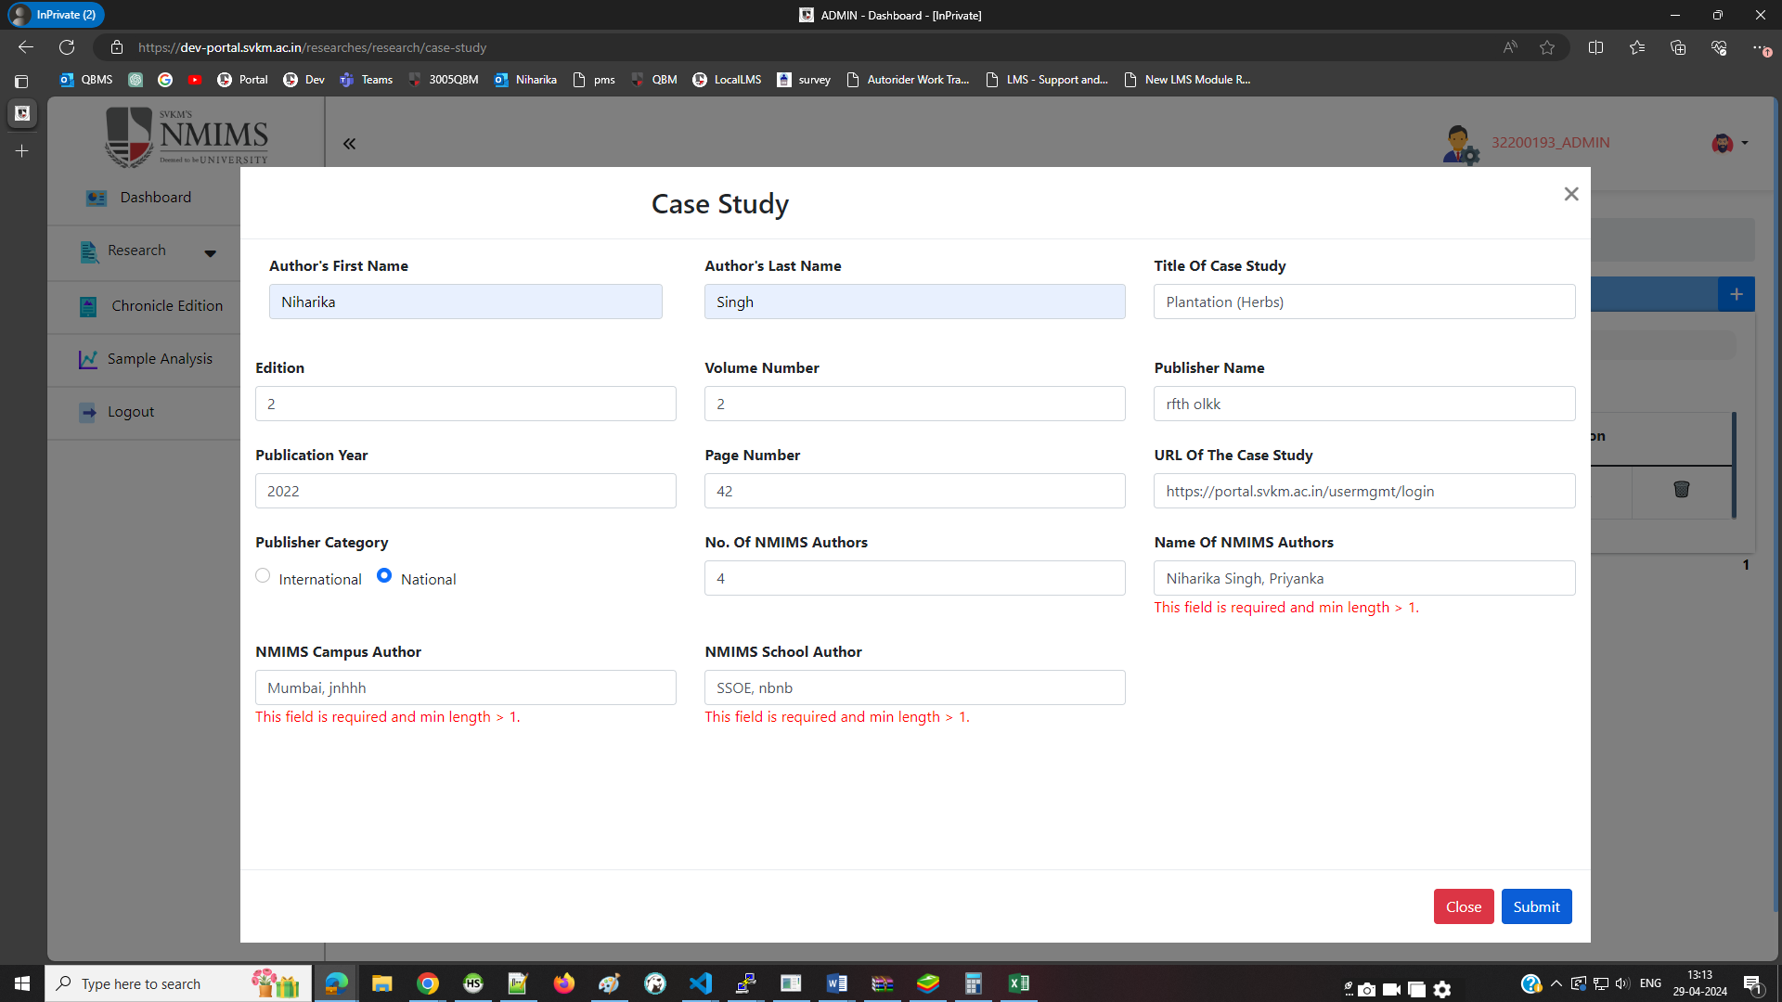
5 | To verify submission of form after adding all valid details to the form | CS_05 | Application should be open. https://devportal.svkm.ac.in/researches "1.Open the URL http://localhost:3000/admin/dashboard 2.Click on Research option from Left side bar. 3. Click on Case Study. 4. Click on + Icon " | 1. Enter Author's First Name 2. Enter Author's Last Name 3. Enter Title of Case Study 4. Enter Edition 5. Enter Volume Number 6. Enter Publisher Name 7. Enter Publication Year 8. Enter Page Number 9. Enter URL of the case study 10. Enter Publisher Category 11. Enter No. of NMIMS Author 12. Enter Name of the NMIMS Author 13. Enter NMIMS Campus Author 14. Enter NMIMS SCHOOL Author 15. Upload Supporting Document | Form should get submitted | Form is getting submitted | Pass | Niharika
6 | To verify submission of form after adding all Invalid details to the form | CS_06 | Application should be open. https://devportal.svkm.ac.in/researches "1.Open the URL http://localhost:3000/admin/dashboard 2.Click on Research option from Left side bar. 3. Click on Case Study. 4. Click on + Icon " | 1. Enter Author's First Name 2. Enter Author's Last Name 3. Enter Title of Case Study 4. Enter Edition 5. Enter Volume Number 6. Enter Publisher Name 7. Enter Publication Year 8. Enter Page Number 9. Enter URL of the case study 10. Enter Publisher Category 11. Enter No. of NMIMS Author 12. Enter Name of the NMIMS Author 13. Enter NMIMS Campus Author 14. Enter NMIMS SCHOOL Author 15. Upload Supporting Document | Form should not get submitted | Form is not getting submitted | Pass | Niharika
7 | To verify submission of form after Keeping Blank details to the form | CS_07 | Application should be open. https://devportal.svkm.ac.in/researches "1.Open the URL http://localhost:3000/admin/dashboard 2.Click on Research option from Left side bar. 3. Click on Case Study. 4. Click on + Icon " | 1. Enter Author's First Name 2. Enter Author's Last Name 3. Enter Title of Case Study 4. Enter Edition 5. Enter Volume Number 6. Enter Publisher Name 7. Enter Publication Year 8. Enter Page Number 9. Enter URL of the case study 10. Enter Publisher Category 11. Enter No. of NMIMS Author 12. Enter Name of the NMIMS Author 13. Enter NMIMS Campus Author 14. Enter NMIMS SCHOOL Author 15. Upload Supporting Document | Form should not get submitted | Form is not getting submitted | Pass | Niharika
6 | To verify submission of form after adding all Mandatory details to the form | CS_06 | Application should be open. https://devportal.svkm.ac.in/researches "1.Open the URL http://localhost:3000/admin/dashboard 2.Click on Research option from Left side bar. 3. Click on Case Study. 4. Click on + Icon " | 1. Enter Author's First Name 2. Enter Author's Last Name 3. Enter Title of Case Study 4. Enter Publisher Name 5. Enter Publication Year 6. Enter Page Number 7. Enter URL of the case study 8. Enter Publisher Category 9. Enter No. of NMIMS Author 10. Enter Name of the NMIMS Author 11. Enter NMIMS Campus Author 12. Enter NMIMS SCHOOL Author 13. Upload Supporting Document | Form Should get submitted without entering Non-Mandatory Field - Edition and Volume Number. | Form is not getting submitted | Fail | Niharika |  | 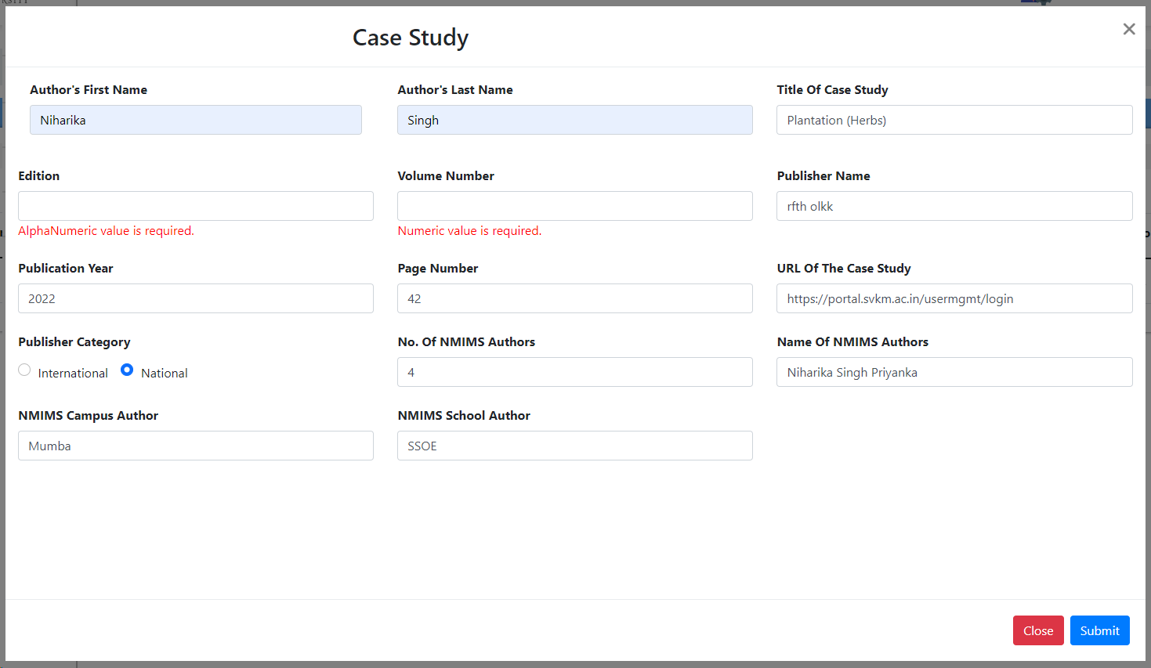
7 | To verify submission of form by keeping Author's First Name as Blank | CS_07 | Application should be open. https://devportal.svkm.ac.in/researches "1.Open the URL http://localhost:3000/admin/dashboard 2.Click on Research option from Left side bar. 3. Click on Case Study. 4. Click on + Icon " | 1. 2. Enter Author's Last Name 3. Enter Title of Case Study 4. Enter Edition 5. Enter Volume Number 6. Enter Publisher Name 7. Enter Publication Year 8. Enter Page Number 9. Enter URL of the case study 10. Enter Publisher Category 11. Enter No. of NMIMS Author 12. Enter Name of the NMIMS Author 13. Enter NMIMS Campus Author 14. Enter NMIMS SCHOOL Author 15. Upload Supporting Document | Form should not get submitted | Form is not getting submitted | Pass | Niharika
8 | To verify submission of form by keeping Author's Last Name as Blank | CS_08 | Application should be open. https://devportal.svkm.ac.in/researches "1.Open the URL http://localhost:3000/admin/dashboard 2.Click on Research option from Left side bar. 3. Click on Case Study. 4. Click on + Icon " | 1. Enter Author's First Name 2. 3. Enter Title of Case Study 4. Enter Edition 5. Enter Volume Number 6. Enter Publisher Name 7. Enter Publication Year 8. Enter Page Number 9. Enter URL of the case study 10. Enter Publisher Category 11. Enter No. of NMIMS Author 12. Enter Name of the NMIMS Author 13. Enter NMIMS Campus Author 14. Enter NMIMS SCHOOL Author 15. Upload Supporting Document | Form should not get submitted | Form is not getting submitted | Pass | Niharika
9 | To verify submission of form by keeping Title of the Case Study as Blank | CS_09 | Application should be open. https://devportal.svkm.ac.in/researches "1.Open the URL http://localhost:3000/admin/dashboard 2.Click on Research option from Left side bar. 3. Click on Case Study. 4. Click on + Icon " | 1. Enter Author's First Name 2. Enter Author's Last Name 3. 4. Enter Edition 5. Enter Volume Number 6. Enter Publisher Name 7. Enter Publication Year 8. Enter Page Number 9. Enter URL of the case study 10. Enter Publisher Category 11. Enter No. of NMIMS Author 12. Enter Name of the NMIMS Author 13. Enter NMIMS Campus Author 14. Enter NMIMS SCHOOL Author 15. Upload Supporting Document | Form should not get submitted | Form is not getting submitted | Pass | Niharika
10 | To verify submission of form by keeping Edition as Blank | CS_10 | Application should be open. https://devportal.svkm.ac.in/researches "1.Open the URL http://localhost:3000/admin/dashboard 2.Click on Research option from Left side bar. 3. Click on Case Study. 4. Click on + Icon " | 1. Enter Author's First Name 2. Enter Author's Last Name 3. Enter Title of Case Study 4. 5. Enter Volume Number 6. Enter Publisher Name 7. Enter Publication Year 8. Enter Page Number 9. Enter URL of the case study 10. Enter Publisher Category 11. Enter No. of NMIMS Author 12. Enter Name of the NMIMS Author 13. Enter NMIMS Campus Author 14. Enter NMIMS SCHOOL Author 15. Upload Supporting Document | Form should get submitted | Form is not getting submitted | Fail | Niharika |  | 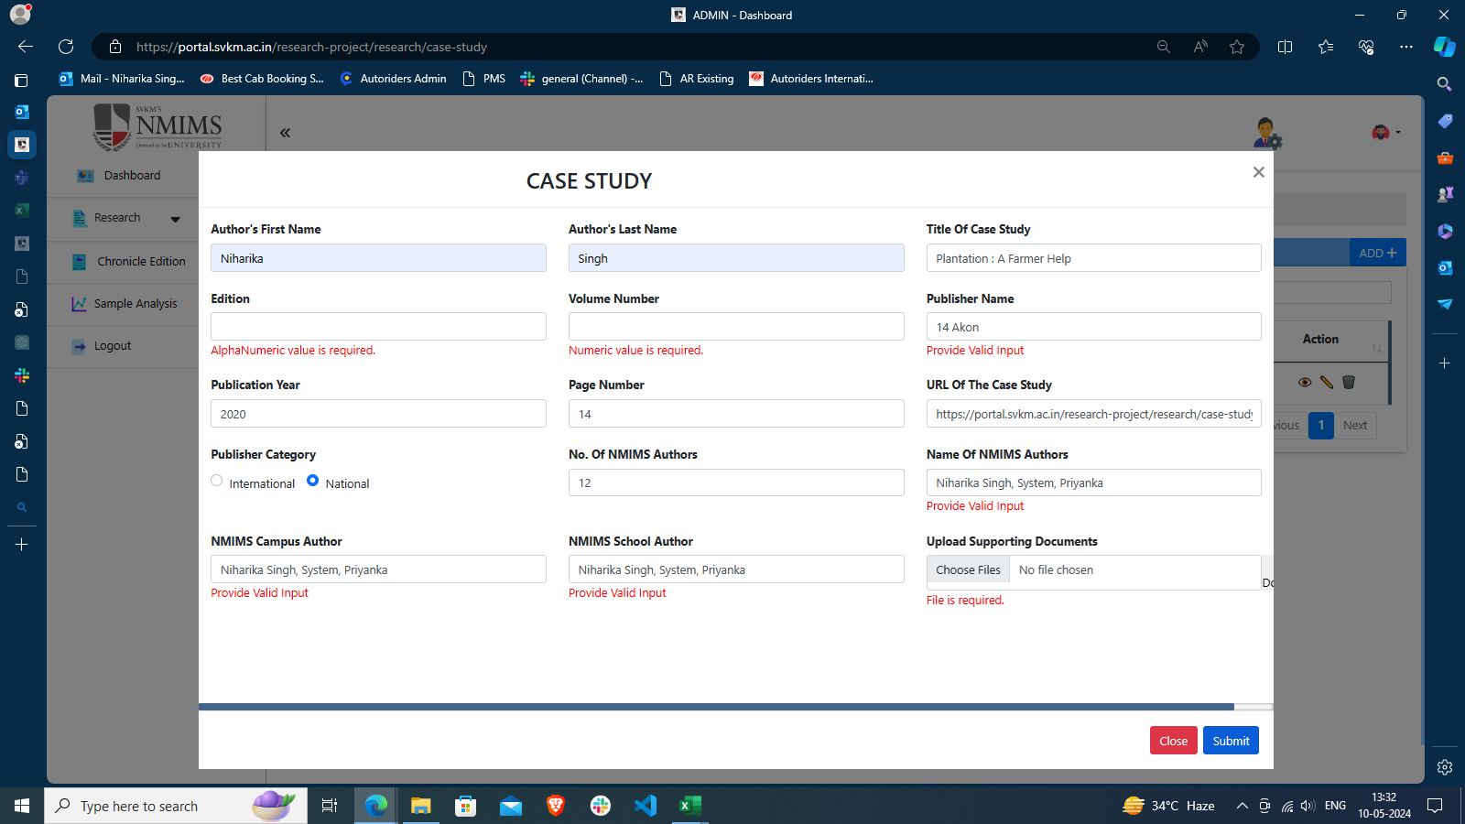
11 | To verify submission of form by keeping Volume Number as Blank | CS_11 | Application should be open. https://devportal.svkm.ac.in/researches "1.Open the URL http://localhost:3000/admin/dashboard 2.Click on Research option from Left side bar. 3. Click on Case Study. 4. Click on + Icon " | 1. Enter Author's First Name 2. Enter Author's Last Name 3. Enter Title of Case Study 4. Enter Edition 5. 6. Enter Publisher Name 7. Enter Publication Year 8. Enter Page Number 9. Enter URL of the case study 10. Enter Publisher Category 11. Enter No. of NMIMS Author 12. Enter Name of the NMIMS Author 13. Enter NMIMS Campus Author 14. Enter NMIMS SCHOOL Author 15. Upload Supporting Document | Form should get submitted | Form is not getting submitted | Fail | Niharika
12 | To verify submission of form by keeping Publisher Name as Blank | CS_12 | Application should be open. https://devportal.svkm.ac.in/researches "1.Open the URL http://localhost:3000/admin/dashboard 2.Click on Research option from Left side bar. 3. Click on Case Study. 4. Click on + Icon " | 1. Enter Author's First Name 2. Enter Author's Last Name 3. Enter Title of Case Study 4. Enter Edition 5. Enter Volume Number 6. 7. Enter Publication Year 8. Enter Page Number 9. Enter URL of the case study 10. Enter Publisher Category 11. Enter No. of NMIMS Author 12. Enter Name of the NMIMS Author 13. Enter NMIMS Campus Author 14. Enter NMIMS SCHOOL Author 15. Upload Supporting Document | Form should not get submitted | Form is not getting submitted | Pass | Niharika
13 | To verify submission of form by keeping Publication Year as Blank | CS_13 | Application should be open. https://devportal.svkm.ac.in/researches "1.Open the URL http://localhost:3000/admin/dashboard 2.Click on Research option from Left side bar. 3. Click on Case Study. 4. Click on + Icon " | 1. Enter Author's First Name 2. Enter Author's Last Name 3. Enter Title of Case Study 4. Enter Edition 5. Enter Volume Number 6. Enter Publisher Name 7. 8. Enter Page Number 9. Enter URL of the case study 10. Enter Publisher Category 11. Enter No. of NMIMS Author 12. Enter Name of the NMIMS Author 13. Enter NMIMS Campus Author 14. Enter NMIMS SCHOOL Author 15. Upload Supporting Document | Form should not get submitted | Form is not getting submitted | Pass | Niharika
14 | To verify submission of form by keeping Page Number as Blank | CS_14 | Application should be open. https://devportal.svkm.ac.in/researches "1.Open the URL http://localhost:3000/admin/dashboard 2.Click on Research option from Left side bar. 3. Click on Case Study. 4. Click on + Icon " | 1. Enter Author's First Name 2. Enter Author's Last Name 3. Enter Title of Case Study 4. Enter Edition 5. Enter Volume Number 6. Enter Publisher Name 7. Enter Publication Year 8. 9. Enter URL of the case study 10. Enter Publisher Category 11. Enter No. of NMIMS Author 12. Enter Name of the NMIMS Author 13. Enter NMIMS Campus Author 14. Enter NMIMS SCHOOL Author 15. Upload Supporting Document | Form should not get submitted | Form is not getting submitted | Pass | Niharika
15 | To verify submission of form by keeping URL of Case Study as Blank | CS_15 | Application should be open. https://devportal.svkm.ac.in/researches "1.Open the URL http://localhost:3000/admin/dashboard 2.Click on Research option from Left side bar. 3. Click on Case Study. 4. Click on + Icon " | 1. Enter Author's First Name 2. Enter Author's Last Name 3. Enter Title of Case Study 4. Enter Edition 5. Enter Volume Number 6. Enter Publisher Name 7. Enter Publication Year 8. Enter Page Number 9. 10. Enter Publisher Category 11. Enter No. of NMIMS Author 12. Enter Name of the NMIMS Author 13. Enter NMIMS Campus Author 14. Enter NMIMS SCHOOL Author 15. Upload Supporting Document | Form should not get submitted | Form is not getting submitted | Pass | Niharika
16 | To verify submission of form by keeping Publisher Category as Blank | CS_16 | Application should be open. https://devportal.svkm.ac.in/researches "1.Open the URL http://localhost:3000/admin/dashboard 2.Click on Research option from Left side bar. 3. Click on Case Study. 4. Click on + Icon " | 1. Enter Author's First Name 2. Enter Author's Last Name 3. Enter Title of Case Study 4. Enter Edition 5. Enter Volume Number 6. Enter Publisher Name 7. Enter Publication Year 8. Enter Page Number 9. Enter URL of the case study 10. 11. Enter No. of NMIMS Author 12. Enter Name of the NMIMS Author 13. Enter NMIMS Campus Author 14. Enter NMIMS SCHOOL Author 15. Upload Supporting Document | Form should not get submitted | Not allowing to keep category as blank therefore Form is not getting submitted | Pass | Niharika
17 | To verify submission of form by keeping No. of NMIMS Authors as Blank | CS_17 | Application should be open. https://devportal.svkm.ac.in/researches "1.Open the URL http://localhost:3000/admin/dashboard 2.Click on Research option from Left side bar. 3. Click on Case Study. 4. Click on + Icon " | 1. Enter Author's First Name 2. Enter Author's Last Name 3. Enter Title of Case Study 4. Enter Edition 5. Enter Volume Number 6. Enter Publisher Name 7. Enter Publication Year 8. Enter Page Number 9. Enter URL of the case study 10. Enter Publisher Category 11. 12. Enter Name of the NMIMS Author 13. Enter NMIMS Campus Author 14. Enter NMIMS SCHOOL Author 15. Upload Supporting Document | Form should not get submitted | Form is not getting submitted | Pass | Niharika
18 | To verify submission of form by keeping NMIMS Campus Author as Blank | CS_18 | Application should be open. https://devportal.svkm.ac.in/researches "1.Open the URL http://localhost:3000/admin/dashboard 2.Click on Research option from Left side bar. 3. Click on Case Study. 4. Click on + Icon " | 1. Enter Author's First Name 2. Enter Author's Last Name 3. Enter Title of Case Study 4. Enter Edition 5. Enter Volume Number 6. Enter Publisher Name 7. Enter Publication Year 8. Enter Page Number 9. Enter URL of the case study 10. Enter Publisher Category 11. Enter No. of NMIMS Author 12. Enter Name of the NMIMS Author 13. 14. Enter NMIMS SCHOOL Author 15. Upload Supporting Document | Form should not get submitted | Form is not getting submitted | Pass | Niharika
19 | To verify submission of form by keeping NMIMS School Author as Blank | CS_19 | Application should be open. https://devportal.svkm.ac.in/researches "1.Open the URL http://localhost:3000/admin/dashboard 2.Click on Research option from Left side bar. 3. Click on Case Study. 4. Click on + Icon " | 1. Enter Author's First Name 2. Enter Author's Last Name 3. Enter Title of Case Study 4. Enter Edition 5. Enter Volume Number 6. Enter Publisher Name 7. Enter Publication Year 8. Enter Page Number 9. Enter URL of the case study 10. Enter Publisher Category 11. Enter No. of NMIMS Author 12. Enter Name of the NMIMS Author 13. Enter NMIMS Campus Author 14. 15. Upload Supporting Document | Form should not get submitted | Form is not getting submitted | Pass | Niharika
20 | To verify submission of form without uploading Document | CS_20 | Application should be open. https://devportal.svkm.ac.in/researches "1.Open the URL http://localhost:3000/admin/dashboard 2.Click on Research option from Left side bar. 3. Click on Case Study. 4. Click on + Icon " | 1. Enter Author's First Name 2. Enter Author's Last Name 3. Enter Title of Case Study 4. Enter Edition 5. Enter Volume Number 6. Enter Publisher Name 7. Enter Publication Year 8. Enter Page Number 9. Enter URL of the case study 10. Enter Publisher Category 11. Enter No. of NMIMS Author 12. Enter Name of the NMIMS Author 13. Enter NMIMS Campus Author 14. Enter NMIMS SCHOOL Author | Form should not get submitted | Form is not getting submitted | Pass | Niharika
21 | To verify submission of form by adding special character in Author's First Name | CS_21 | Application should be open. https://devportal.svkm.ac.in/researches "1.Open the URL http://localhost:3000/admin/dashboard 2.Click on Research option from Left side bar. 3. Click on Case Study. 4. Click on + Icon " | 1. Enter Author's First Name 2. Enter Author's Last Name 3. Enter Title of Case Study 4. Enter Edition 5. Enter Volume Number 6. Enter Publisher Name 7. Enter Publication Year 8. Enter Page Number 9. Enter URL of the case study 10. Enter Publisher Category 11. Enter No. of NMIMS Author 12. Enter Name of the NMIMS Author 13. Enter NMIMS Campus Author 14. Enter NMIMS SCHOOL Author 15. Upload Supporting Document | Form should get submitted | Form is not getting submitted | Fail | Niharika
22 | To verify submission of form by adding special character in Author's Last Name | CS_22 | Application should be open. https://devportal.svkm.ac.in/researches "1.Open the URL http://localhost:3000/admin/dashboard 2.Click on Research option from Left side bar. 3. Click on Case Study. 4. Click on + Icon " | 1. Enter Author's First Name 2. Enter Author's Last Name 3. Enter Title of Case Study 4. Enter Edition 5. Enter Volume Number 6. Enter Publisher Name 7. Enter Publication Year 8. Enter Page Number 9. Enter URL of the case study 10. Enter Publisher Category 11. Enter No. of NMIMS Author 12. Enter Name of the NMIMS Author 13. Enter NMIMS Campus Author 14. Enter NMIMS SCHOOL Author 15. Upload Supporting Document | Form should get submitted | Form is not getting submitted | Fail | Niharika
23 | To verify submission of form by adding special character in Title of Case Study | CS_23 | Application should be open. https://devportal.svkm.ac.in/researches "1.Open the URL http://localhost:3000/admin/dashboard 2.Click on Research option from Left side bar. 3. Click on Case Study. 4. Click on + Icon " | 1. Enter Author's First Name 2. Enter Author's Last Name 3. Enter Title of Case Study 4. Enter Edition 5. Enter Volume Number 6. Enter Publisher Name 7. Enter Publication Year 8. Enter Page Number 9. Enter URL of the case study 10. Enter Publisher Category 11. Enter No. of NMIMS Author 12. Enter Name of the NMIMS Author 13. Enter NMIMS Campus Author 14. Enter NMIMS SCHOOL Author 15. Upload Supporting Document | Form should get submitted | Form is getting submitted | Pass | Niharika
24 | To verify submission of form by adding alphanumeric in Edition | CS_24 | Application should be open. https://devportal.svkm.ac.in/researches "1.Open the URL http://localhost:3000/admin/dashboard 2.Click on Research option from Left side bar. 3. Click on Case Study. 4. Click on + Icon " | 1. Enter Author's First Name 2. Enter Author's Last Name 3. Enter Title of Case Study 4. Enter Edition 5. Enter Volume Number 6. Enter Publisher Name 7. Enter Publication Year 8. Enter Page Number 9. Enter URL of the case study 10. Enter Publisher Category 11. Enter No. of NMIMS Author 12. Enter Name of the NMIMS Author 13. Enter NMIMS Campus Author 14. Enter NMIMS SCHOOL Author 15. Upload Supporting Document | Form should get submitted | Form is getting submitted | Pass | Niharika
25 | To verify submission of form by adding alphanumeric in Volume Number | CS_25 | Application should be open. https://devportal.svkm.ac.in/researches "1.Open the URL http://localhost:3000/admin/dashboard 2.Click on Research option from Left side bar. 3. Click on Case Study. 4. Click on + Icon " | 1. Enter Author's First Name 2. Enter Author's Last Name 3. Enter Title of Case Study 4. Enter Edition 5. Enter Volume Number 6. Enter Publisher Name 7. Enter Publication Year 8. Enter Page Number 9. Enter URL of the case study 10. Enter Publisher Category 11. Enter No. of NMIMS Author 12. Enter Name of the NMIMS Author 13. Enter NMIMS Campus Author 14. Enter NMIMS SCHOOL Author 15. Upload Supporting Document |  |  |  | Niharika
26 | To verify submission of form by adding special character in Publisher Name | CS_26 | Application should be open. https://devportal.svkm.ac.in/researches "1.Open the URL http://localhost:3000/admin/dashboard 2.Click on Research option from Left side bar. 3. Click on Case Study. 4. Click on + Icon " | 1. Enter Author's First Name 2. Enter Author's Last Name 3. Enter Title of Case Study 4. Enter Edition 5. Enter Volume Number 6. Enter Publisher Name 7. Enter Publication Year 8. Enter Page Number 9. Enter URL of the case study 10. Enter Publisher Category 11. Enter No. of NMIMS Author 12. Enter Name of the NMIMS Author 13. Enter NMIMS Campus Author 14. Enter NMIMS SCHOOL Author 15. Upload Supporting Document | Form should get submitted | Form is not getting submitted | Fail | Niharika |  | 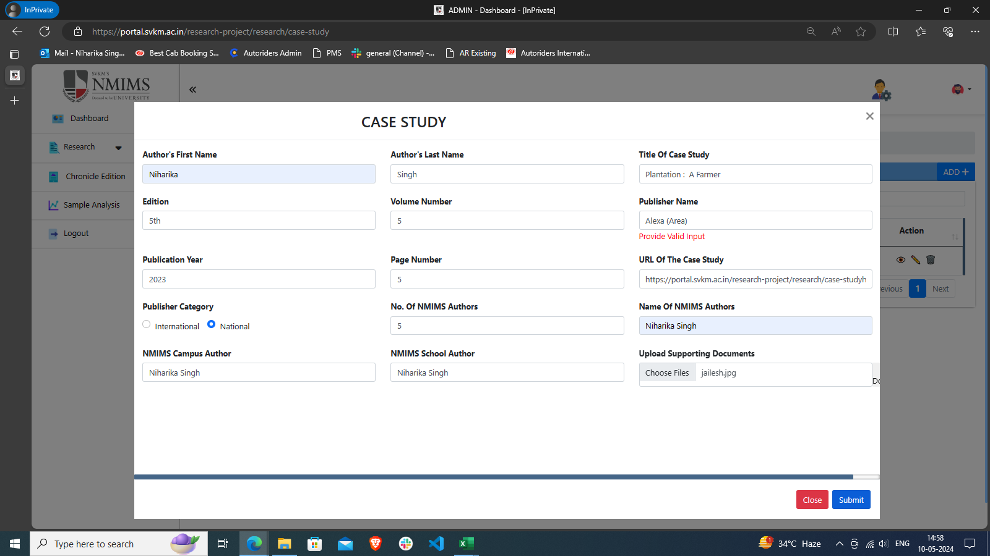
27 | To verify submission of form by adding Multiple Page Numbers | CS_27 | Application should be open. https://devportal.svkm.ac.in/researches "1.Open the URL http://localhost:3000/admin/dashboard 2.Click on Research option from Left side bar. 3. Click on Case Study. 4. Click on + Icon " | 1. Enter Author's First Name 2. Enter Author's Last Name 3. Enter Title of Case Study 4. Enter Edition 5. Enter Volume Number 6. Enter Publisher Name 7. Enter Publication Year 8. Enter Page Number 9. Enter URL of the case study 10. Enter Publisher Category 11. Enter No. of NMIMS Author 12. Enter Name of the NMIMS Author 13. Enter NMIMS Campus Author 14. Enter NMIMS SCHOOL Author 15. Upload Supporting Document | Forms Filed : Page Number should accept Multiple Page No. | Not allowing to enter more than one Page No. | Fail | Niharika
28 | To verify submission of form by adding Multiple URL | CS_28 | Application should be open. https://devportal.svkm.ac.in/researches "1.Open the URL http://localhost:3000/admin/dashboard 2.Click on Research option from Left side bar. 3. Click on Case Study. 4. Click on + Icon " | 1. Enter Author's First Name 2. Enter Author's Last Name 3. Enter Title of Case Study 4. Enter Edition 5. Enter Volume Number 6. Enter Publisher Name 7. Enter Publication Year 8. Enter Page Number 9. Enter URL of the case study 10. Enter Publisher Category 11. Enter No. of NMIMS Author 12. Enter Name of the NMIMS Author 13. Enter NMIMS Campus Author 14. Enter NMIMS SCHOOL Author 15. Upload Supporting Document | Form should get submitted | Form is getting submitted | Pass | Niharika
29 | To verify submission of form by selecting both Publisher Category | CS_29 | Application should be open. https://devportal.svkm.ac.in/researches "1.Open the URL http://localhost:3000/admin/dashboard 2.Click on Research option from Left side bar. 3. Click on Case Study. 4. Click on + Icon " | 1. Enter Author's First Name 2. Enter Author's Last Name 3. Enter Title of Case Study 4. Enter Edition 5. Enter Volume Number 6. Enter Publisher Name 7. Enter Publication Year 8. Enter Page Number 9. Enter URL of the case study 10. Enter Publisher Category | Both Category should not get selected | Both Category is not getting selected | Pass | Niharika
30 | To verify submission of form by Invalid Publication Year(More than or less than 4 digit) | CS_30 | Application should be open. https://devportal.svkm.ac.in/researches "1.Open the URL http://localhost:3000/admin/dashboard 2.Click on Research option from Left side bar. 3. Click on Case Study. 4. Click on + Icon " | 1. Enter Author's First Name 2. Enter Author's Last Name 3. Enter Title of Case Study 4. Enter Edition 5. Enter Volume Number 6. Enter Publisher Name 7. Enter Publication Year 8. Enter Page Number 9. Enter URL of the case study 10. Enter Publisher Category 11. Enter No. of NMIMS Author 12. Enter Name of the NMIMS Author 13. Enter NMIMS Campus Author 14. Enter NMIMS SCHOOL Author 15. Upload Supporting Document | Form should not get submitted | Only Year starting from 19 and 2 is allowing to enter upto 4 digits | Pass | Niharika
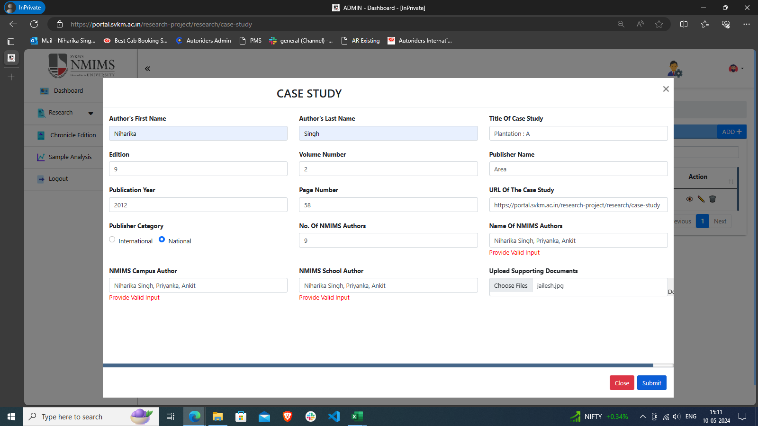
31 | To verify submission of form by adding Multiple Authors Name (separated by comma) | CS_31 | Application should be open. https://devportal.svkm.ac.in/researches "1.Open the URL http://localhost:3000/admin/dashboard 2.Click on Research option from Left side bar. 3. Click on Case Study. 4. Click on + Icon " | 1. Enter Author's First Name 2. Enter Author's Last Name 3. Enter Title of Case Study 4. Enter Edition 5. Enter Volume Number 6. Enter Publisher Name 7. Enter Publication Year 8. Enter Page Number 9. Enter URL of the case study 10. Enter Publisher Category 11. Enter No. of NMIMS Author 12. Enter Name of the NMIMS Author 13. Enter NMIMS Campus Author 14. Enter NMIMS SCHOOL Author 15. Upload Supporting Document | Form should get submitted | Form is not getting submitted | Fail | Niharika
32 | To verify submission of form by adding Multiple NMIMS Campus Authors (separated by comma) | CS_32 | Application should be open. https://devportal.svkm.ac.in/researches "1.Open the URL http://localhost:3000/admin/dashboard 2.Click on Research option from Left side bar. 3. Click on Case Study. 4. Click on + Icon " | 1. Enter Author's First Name 2. Enter Author's Last Name 3. Enter Title of Case Study 4. Enter Edition 5. Enter Volume Number 6. Enter Publisher Name 7. Enter Publication Year 8. Enter Page Number 9. Enter URL of the case study 10. Enter Publisher Category 11. Enter No. of NMIMS Author 12. Enter Name of the NMIMS Author 13. Enter NMIMS Campus Author 14. Enter NMIMS SCHOOL Author 15. Upload Supporting Document | Form should get submitted | Form is not getting submitted | Fail | Niharika
33 | To verify submission of form by adding Multiple NMIMS School Authors (separated by comma) | CS_33 | Application should be open. https://devportal.svkm.ac.in/researches "1.Open the URL http://localhost:3000/admin/dashboard 2.Click on Research option from Left side bar. 3. Click on Case Study. 4. Click on + Icon " | 1. Enter Author's First Name 2. Enter Author's Last Name 3. Enter Title of Case Study 4. Enter Edition 5. Enter Volume Number 6. Enter Publisher Name 7. Enter Publication Year 8. Enter Page Number 9. Enter URL of the case study 10. Enter Publisher Category 11. Enter No. of NMIMS Author 12. Enter Name of the NMIMS Author 13. Enter NMIMS Campus Author 14. Enter NMIMS SCHOOL Author 15. Upload Supporting Document | Form should get submitted | Form is not getting submitted | Fail | Niharika
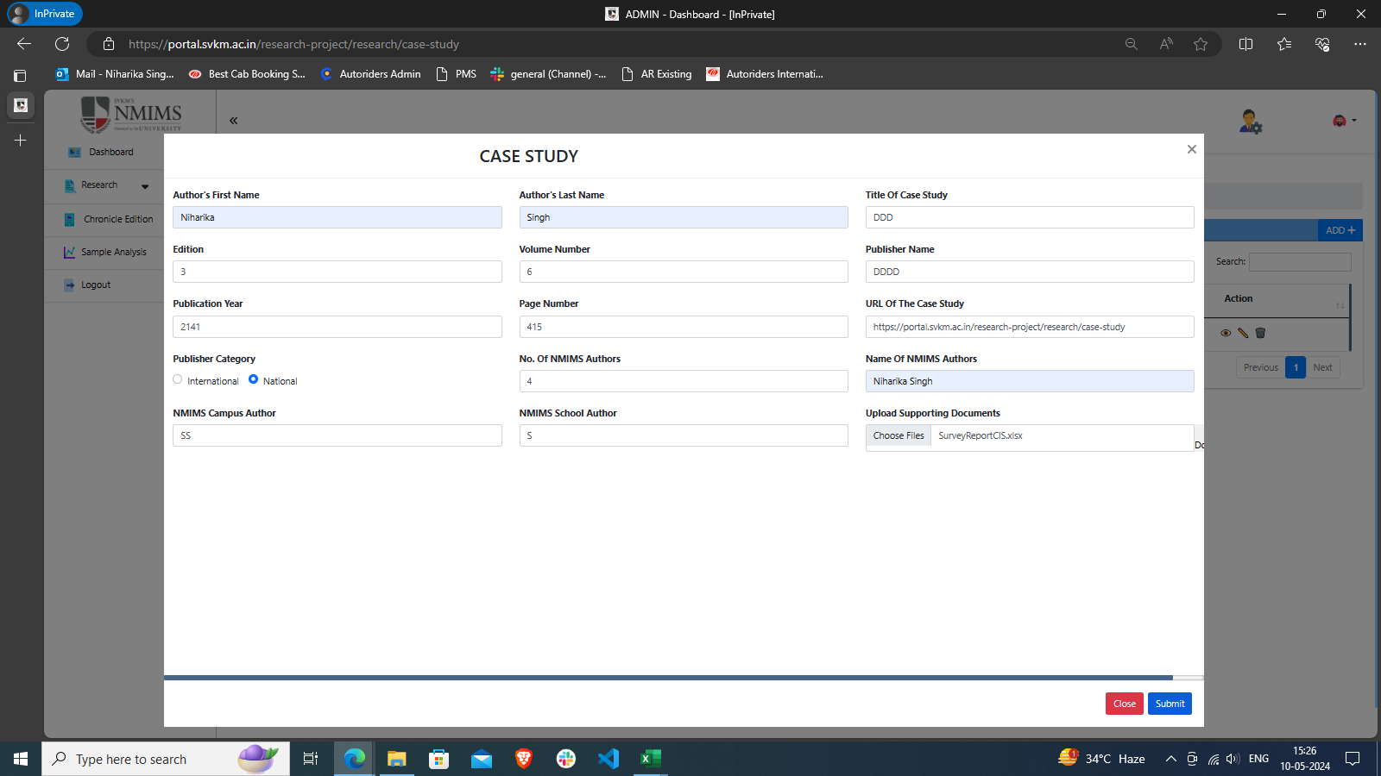
34 | To verify submission of form by uploading PDF File | CS_34 | Application should be open. https://devportal.svkm.ac.in/researches "1.Open the URL http://localhost:3000/admin/dashboard 2.Click on Research option from Left side bar. 3. Click on Case Study. 4. Click on + Icon " | 1. Enter Author's First Name 2. Enter Author's Last Name 3. Enter Title of Case Study 4. Enter Edition 5. Enter Volume Number 6. Enter Publisher Name 7. Enter Publication Year 8. Enter Page Number 9. Enter URL of the case study 10. Enter Publisher Category 11. Enter No. of NMIMS Author 12. Enter Name of the NMIMS Author 13. Enter NMIMS Campus Author 14. Enter NMIMS SCHOOL Author 15. Upload Supporting Document | Form should get submitted | Form is not getting submitted (Showing Internal Server Error) | Fail | Niharika
35 | To verify submission of form by uploading Excel File | CS_35 | Application should be open. https://devportal.svkm.ac.in/researches "1.Open the URL http://localhost:3000/admin/dashboard 2.Click on Research option from Left side bar. 3. Click on Case Study. 4. Click on + Icon " | 1. Enter Author's First Name 2. Enter Author's Last Name 3. Enter Title of Case Study 4. Enter Edition 5. Enter Volume Number 6. Enter Publisher Name 7. Enter Publication Year 8. Enter Page Number 9. Enter URL of the case study 10. Enter Publisher Category 11. Enter No. of NMIMS Author 12. Enter Name of the NMIMS Author 13. Enter NMIMS Campus Author 14. Enter NMIMS SCHOOL Author 15. Upload Supporting Document | Form should get submitted | Form is not getting submitted (Showing Internal Server Error) | Fail | Niharika
36 | To verify submission of form by uploading Word File | CS_36 | Application should be open. https://devportal.svkm.ac.in/researches "1.Open the URL http://localhost:3000/admin/dashboard 2.Click on Research option from Left side bar. 3. Click on Case Study. 4. Click on + Icon " | 1. Enter Author's First Name 2. Enter Author's Last Name 3. Enter Title of Case Study 4. Enter Edition 5. Enter Volume Number 6. Enter Publisher Name 7. Enter Publication Year 8. Enter Page Number 9. Enter URL of the case study 10. Enter Publisher Category 11. Enter No. of NMIMS Author 12. Enter Name of the NMIMS Author 13. Enter NMIMS Campus Author 14. Enter NMIMS SCHOOL Author 15. Upload Supporting Document | Form should get submitted | Form is not getting submitted (Showing Internal Server Error) | Fail | Niharika
37 | To verify submission of form by uploading PPT File | CS_37 | Application should be open. https://devportal.svkm.ac.in/researches "1.Open the URL http://localhost:3000/admin/dashboard 2.Click on Research option from Left side bar. 3. Click on Case Study. 4. Click on + Icon " | 1. Enter Author's First Name 2. Enter Author's Last Name 3. Enter Title of Case Study 4. Enter Edition 5. Enter Volume Number 6. Enter Publisher Name 7. Enter Publication Year 8. Enter Page Number 9. Enter URL of the case study 10. Enter Publisher Category 11. Enter No. of NMIMS Author 12. Enter Name of the NMIMS Author 13. Enter NMIMS Campus Author 14. Enter NMIMS SCHOOL Author 15. Upload Supporting Document | Form should get submitted | Form is not getting submitted (Showing Internal Server Error) | Fail | Niharika
38 | To verify submission of form by uploading Text File | CS_38 | Application should be open. https://devportal.svkm.ac.in/researches "1.Open the URL http://localhost:3000/admin/dashboard 2.Click on Research option from Left side bar. 3. Click on Case Study. 4. Click on + Icon " | 1. Enter Author's First Name 2. Enter Author's Last Name 3. Enter Title of Case Study 4. Enter Edition 5. Enter Volume Number 6. Enter Publisher Name 7. Enter Publication Year 8. Enter Page Number 9. Enter URL of the case study 10. Enter Publisher Category 11. Enter No. of NMIMS Author 12. Enter Name of the NMIMS Author 13. Enter NMIMS Campus Author 14. Enter NMIMS SCHOOL Author 15. Upload Supporting Document | Form should not get submitted | (Showing Internal Server Error) | Fail | Niharika
39 | To verify blank are at upload file option while creating new form | CS_39 | Application should be open. https://devportal.svkm.ac.in/researches "1.Open the URL http://localhost:3000/admin/dashboard 2.Click on Research option from Left side bar. 3. Click on Case Study. 4. Click on + Icon " |  | No Previous inputted Data should reflect in form by clicking on + Icon to submit new form | Prviously selected file is reflecting in New Form also, that space should be blank for selecting of new File | Fail | Niharika |  | 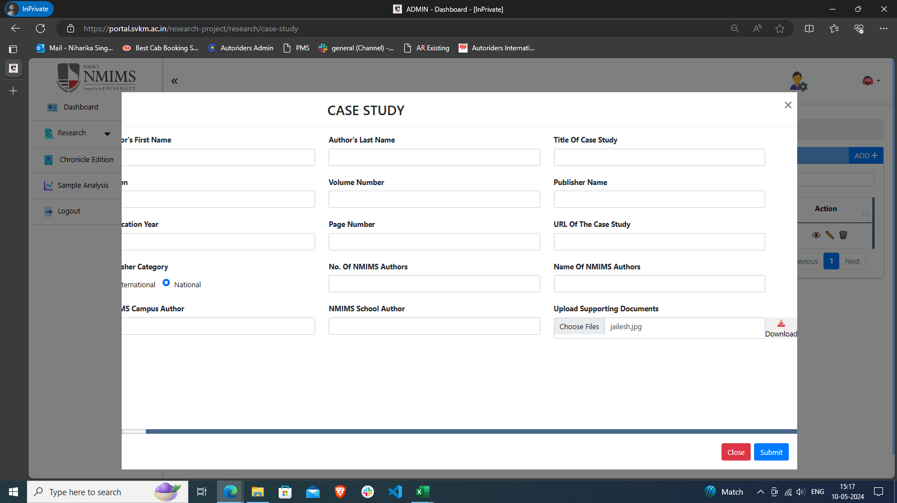
40 | To verify submission of form by uploading Multile Files | CS_40 | Application should be open. https://devportal.svkm.ac.in/researches "1.Open the URL http://localhost:3000/admin/dashboard 2.Click on Research option from Left side bar. 3. Click on Case Study. 4. Click on + Icon " | 1. Enter Author's First Name 2. Enter Author's Last Name 3. Enter Title of Case Study 4. Enter Edition 5. Enter Volume Number 6. Enter Publisher Name 7. Enter Publication Year 8. Enter Page Number 9. Enter URL of the case study 10. Enter Publisher Category 11. Enter No. of NMIMS Author 12. Enter Name of the NMIMS Author 13. Enter NMIMS Campus Author 14. Enter NMIMS SCHOOL Author 15. Upload Supporting Document | Form should get submitted | Form is not getting submitted | Fail | Niharika |  | 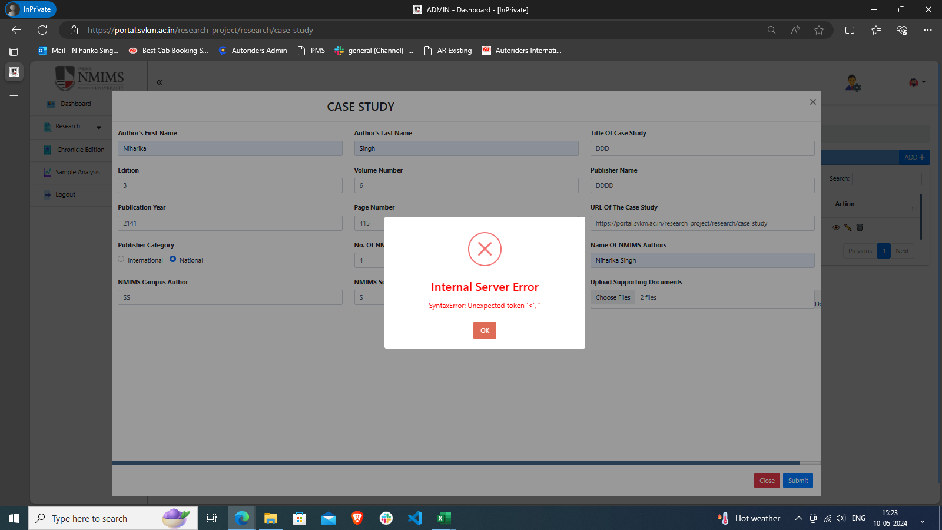
41 | To check View Icon in View List | CS_41 | Application should be open. https://devportal.svkm.ac.in/researches | 1.Open the URL http://localhost:3000/admin/dashboard 2.Click on Research option from Left side bar. 3. Click on Case Study. 4. Click on 'eye' Icon | Filled Form Details should be visible | Filled Form Details is visible | Pass | Niharika
42 | To check Submitted form entry in View list after submitting Form. | CS_42 | Application should be open. https://devportal.svkm.ac.in/researches | 1.Open the URL http://localhost:3000/admin/dashboard 2.Click on Research option from Left side bar. 3. Click on Case Study. 4. Click on '+' Icon 5. Filled all fields and submit form | Submitted Form Entry should be visible in the View Form List | After Submitting the form, in the View list it is not reflecting automatically , we have to refresh the page then all enteriers reflects | Fail | Niharika |  | 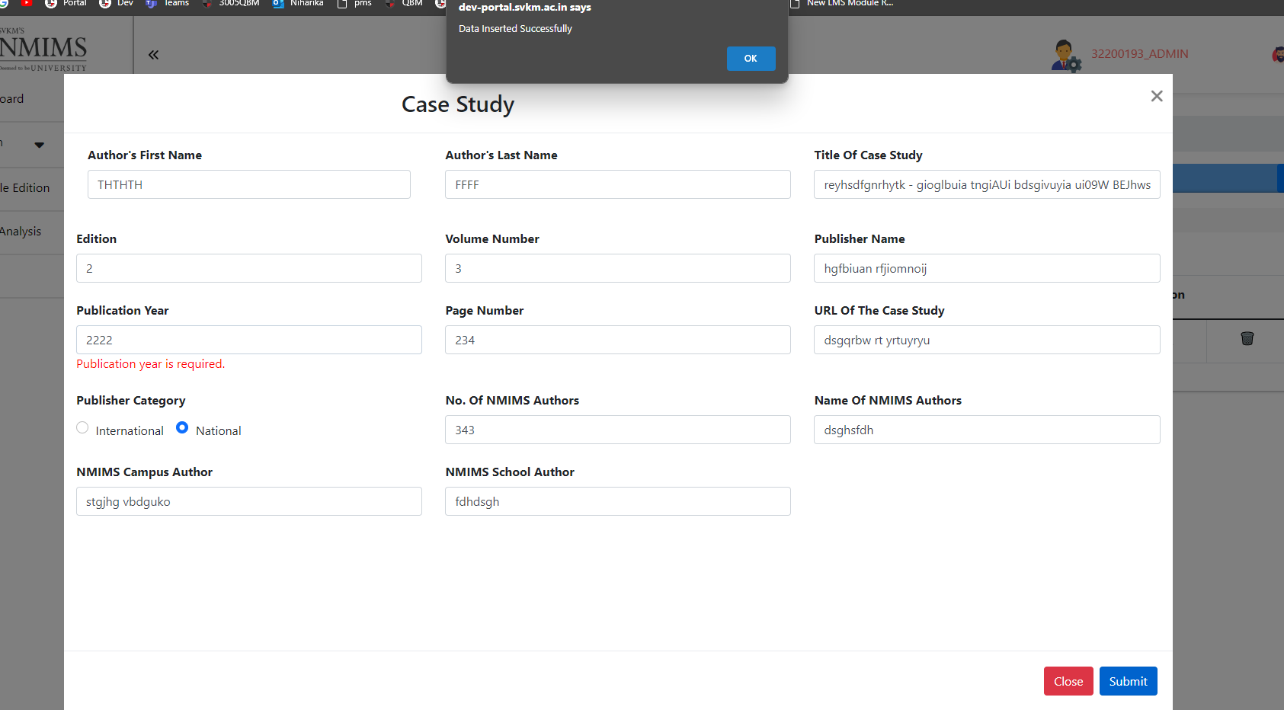 | Before Refresh, After submitting the form | After refresh
43 | To check all field details in View Icon in View List | CS_43 | Application should be open. https://devportal.svkm.ac.in/researches | 1.Open the URL http://localhost:3000/admin/dashboard 2.Click on Research option from Left side bar. 3. Click on Case Study. 4. Click on 'eye' Icon | All the Field Names and Enter Details should be Proper | Following Field names are not Similar to Fields name in Form 1. Author's First Name 2. Author's Last Name 3. Title of the Case Study 4.Page Numbers 5.URL of the Case Study 6. Name of NMIMS Authors 7. NMIMS Campus - Author 8. NMIMS School - Author | Fail | Niharika
44 | To check Edit Icon in View List | CS_44 | Application should be open. https://devportal.svkm.ac.in/researches | 1.Open the URL http://localhost:3000/admin/dashboard 2.Click on Research option from Left side bar. 3. Click on Case Study. 4. Click on 'edit' Icon | System should allow to edit entered details | System is allowing to edit entered details | Pass | Niharika
45 | To check Edit functionality in View List | CS_45 | Application should be open. https://devportal.svkm.ac.in/researches | 1.Open the URL http://localhost:3000/admin/dashboard 2.Click on Research option from Left side bar. 3. Click on Case Study. 4. Click on 'edit' Icon | System should show all entered details and allow to edit entered details | System not reflecting every filed entry to edit, User have to entry every Blank field again to edit even if user only wanted to edit one entry otherwise form is not getting updated. | Fail | Niharika | 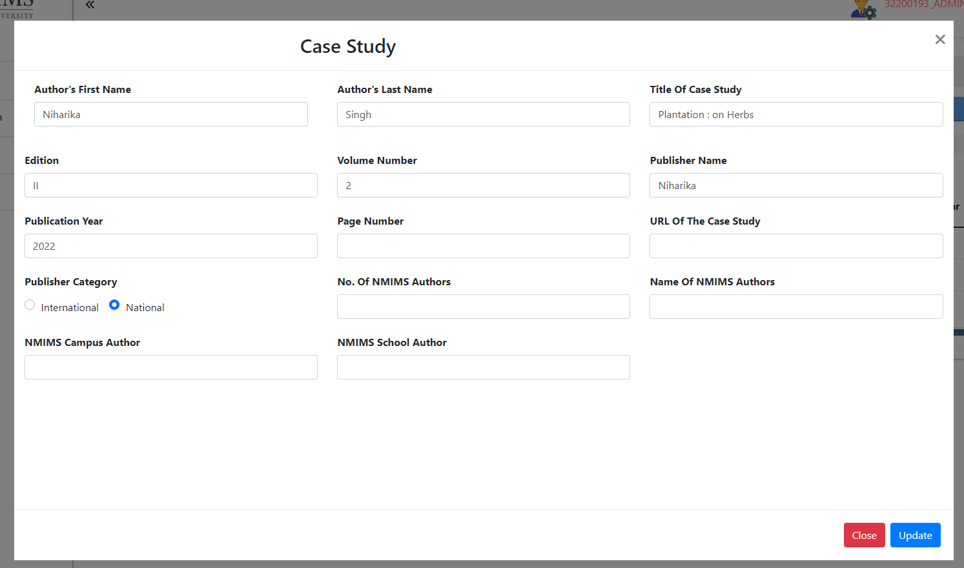
46 | To check Delete Icon in View List | CS_46 | Application should be open. https://devportal.svkm.ac.in/researches | 1.Open the URL http://localhost:3000/admin/dashboard 2.Click on Research option from Left side bar. 3. Click on Case Study. | Delete Icon should be visible in Action Column. | Delete Icon is visible in Action Column. |  | Niharika
47 | To check Delete Button functionality in View List | CS_47 | Application should be open. https://devportal.svkm.ac.in/researches | 1.Open the URL http://localhost:3000/admin/dashboard 2.Click on Research option from Left side bar. 3. Click on Case Study. 4. Click on 'Delete' Icon | Selected Entry should get deleted. | Seelected Entry is not getting deleted, it still reflects in the list, once refreshing the Page then Entry disappers | Fail | Niharika |  |  |  | 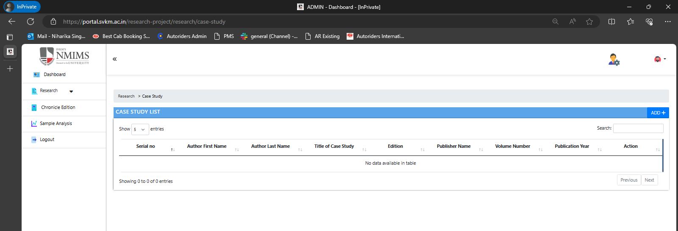

NMIMS Consultancy Form
 |  | Test Case Template for Project
 |  | Project Name | Research
 |  | Module Name | NMIMS Consultancy Form
 |  | Created By | Niharika
 |  | Created Date | 2024-05-10
 |  | Peer Review By
 |  | Peer Reviewed Date

RESEARCH TEST CASES
Scenario TID | Scenario Description | Test Case ID | Pre Condition | Steps to Execute | Expected Result | Actual Result | Status | Executed QA Name | Comments | Screenshots
1 | To Verify if NMIMS Consultancy Form is available within Research Tab | CF_01 | Application should be open. "https://devportal.svkm.ac.in/researches" | 1.Open the URL http://localhost:3000/admin/dashboard 2.Click on Research option from Left side bar. 3. Click on NMIMS Consultancy Form. 4. Click on "+" Icon | NMIMS Consultancy Form Sub-Module should be available within Research Tab. | NMIMS Consultancy Form Sub-Module is available within Research Tab. | Pass | Niharika
2 | To verify if Add new NMIMS Consultancy Form button is available within NMIMS Consultancy Form Tab. | CF_02 | Application should be open. "https://devportal.svkm.ac.in/researches" | 1.Open the URL http://localhost:3000/admin/dashboard 2.Click on Research option from Left side bar. 3. Click on NMIMS Consultancy Form. 4. Click on "+" Icon | +' Icon should be visible in NMIMS Consultancy Form to add details | +' Icon is visible in NMIMS Consultancy Form to add details | Pass | Niharika
3 | To verify if View list of already added NMIMS Consultancy Form is available within NMIMS Consultancy Form Tab. | CF_03 | Application should be open. "https://devportal.svkm.ac.in/researches" | 1.Open the URL http://localhost:3000/admin/dashboard 2.Click on Research option from Left side bar. 3. Click on NMIMS Consultancy Form. 4. Click on "+" Icon | List of already Added Case Studies should be visible. | List of already Added Case Studies is visible. | Pass | Niharika
4 | To Verify if all the fields are available to fill as per requirement | CF_04 | Application should be open. "https://devportal.svkm.ac.in/researches" | 1.Open the URL http://localhost:3000/admin/dashboard 2.Click on Research option from Left side bar. 3. Click on NMIMS Consultancy Form. 4. Click on "+" Icon | All fields should be available to fill in form. 1. Year 2. Title(Brief) 3. Name of the Faculty 4. Designation and address of Contact Person for Client 5. Date of Commencement 6. Date of Completion 7. Budget, Days/Session, Fee per Day/Session(Rs.) and Total Fee(Rs.) 8. (a)Gross Fees, Faculty Share 70%of(a) and NMIMS Share 30%(a) 9. Details of Distribution of Faculty Share (if more than one faculty)- Should have multiple options to enter details 10. (b) Research Staff Expenses 11. (c) Travel 12. (d) Computer Charges/Printing/publication/Editing/Communication/Consumables 13. (e)Charges for NMIMS Facilities (Class-room, Conference room), if applicable 14.(f) Miscellaneous including Contingency 15. (g) Total (a to f) GST as per Government Rules (if consulting is routed through NMIMS) 16. Grand Total - Payment Schedule as discussed and agreed with the client 17. Advance Payment, Final Payment, Total Payment 18. Faculty Coordinator : Date: 19. Vice Chancellor : Date: | All Field are not reflecting in Form | Fail | Niharika |  | 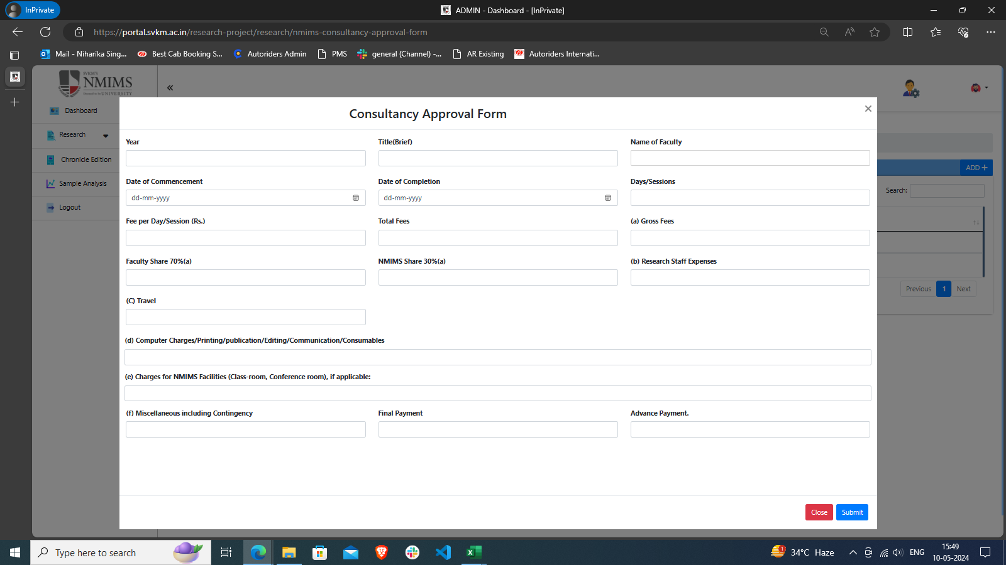
5 | To verify submission of form after adding all valid details to the form | CF_05 | Application should be open. "https://devportal.svkm.ac.in/researches" 1.Open the URL http://localhost:3000/admin/dashboard 2.Click on Research option from Left side bar. 3. Click on NMIMS Consultancy Form. 4. Click on "+" Icon | 1. Enter Year 2. Enter Title(Brief) 3. Enter Name of the Faculty 4. Enter Designation and address of Contact Person for Client 5. Enter Date of Commencement 6. Enter Date of Completion 7. Enter Budget, Days/Session, Fee per Day/Session(Rs.) and Total Fee(Rs.) 8. Enter (a)Gross Fees, Faculty Share 70%of(a) and NMIMS Share 30%(a) 9. Enter Details of Distribution of Faculty Share (if more than one faculty)- Should have multiple options to enter details 10. (b)Enter Research Staff Expenses 11. (c)Enter Travel 12. (d)Enter Computer Charges/Printing/publication/Editing/Communication/Consumables 13. (e)Enter Charges for NMIMS Facilities (Class-room, Conference room), if applicable 14.(f)Enter Miscellaneous including Contingency 15. (g)Enter Total (a to f) GST as per Government Rules (if consulting is routed through NMIMS) 16. Enter Grand Total - Payment Schedule as discussed and agreed with the client 17. Enter Advance Payment, Final Payment, Total Payment 18. Enter Faculty Coordinator : Enter Date: 19. Enter Vice Chancellor : Enter Date: | Form should get submitted | Only Year starting from 19 and 2 is allowing to enter upto 4 digits | Pass | Niharika
6 | To verify submission of form after adding a invalid Year to the form | CF_06 | Application should be open. "https://devportal.svkm.ac.in/researches" 1.Open the URL http://localhost:3000/admin/dashboard 2.Click on Research option from Left side bar. 3. Click on NMIMS Consultancy Form. 4. Click on "+" Icon | 1. Enter Year (alphanumeric or with special Character 2. Enter Title(Brief) 3. Enter Name of the Faculty 4. Enter Designation and address of Contact Person for Client 5. Enter Date of Commencement 6. Enter Date of Completion 7. Enter Budget, Days/Session, Fee per Day/Session(Rs.) and Total Fee(Rs.) 8. Enter (a)Gross Fees, Faculty Share 70%of(a) and NMIMS Share 30%(a) 9. Enter Details of Distribution of Faculty Share (if more than one faculty)- Should have multiple options to enter details 10. (b)Enter Research Staff Expenses 11. (c)Enter Travel 12. (d)Enter Computer Charges/Printing/publication/Editing/Communication/Consumables 13. (e)Enter Charges for NMIMS Facilities (Class-room, Conference room), if applicable 14.(f)Enter Miscellaneous including Contingency 15. (g)Enter Total (a to f) GST as per Government Rules (if consulting is routed through NMIMS) 16. Enter Grand Total - Payment Schedule as discussed and agreed with the client 17. Enter Advance Payment, Final Payment, Total Payment 18. Enter Faculty Coordinator : Enter Date: 19. Enter Vice Chancellor : Enter Date: | Form should not get submitted | Form is not getting submitted | Pass | Niharika
7 | To verify submission of form keeping Year as blank | CF_07 | Application should be open. "https://devportal.svkm.ac.in/researches" 1.Open the URL http://localhost:3000/admin/dashboard 2.Click on Research option from Left side bar. 3. Click on NMIMS Consultancy Form. 4. Click on "+" Icon | 1. 2. Enter Title(Brief) 3. Enter Name of the Faculty 4. Enter Designation and address of Contact Person for Client 5. Enter Date of Commencement 6. Enter Date of Completion 7. Enter Budget, Days/Session, Fee per Day/Session(Rs.) and Total Fee(Rs.) 8. Enter (a)Gross Fees, Faculty Share 70%of(a) and NMIMS Share 30%(a) 9. Enter Details of Distribution of Faculty Share (if more than one faculty)- Should have multiple options to enter details 10. (b)Enter Research Staff Expenses 11. (c)Enter Travel 12. (d)Enter Computer Charges/Printing/publication/Editing/Communication/Consumables 13. (e)Enter Charges for NMIMS Facilities (Class-room, Conference room), if applicable 14.(f)Enter Miscellaneous including Contingency 15. (g)Enter Total (a to f) GST as per Government Rules (if consulting is routed through NMIMS) 16. Enter Grand Total - Payment Schedule as discussed and agreed with the client 17. Enter Advance Payment, Final Payment, Total Payment 18. Enter Faculty Coordinator : Enter Date: 19. Enter Vice Chancellor : Enter Date: | Form should not get submitted | Form is not getting submitted | Pass | Niharika
8 | To verify submission of form keeping Title as blank | CF_08 | Application should be open. "https://devportal.svkm.ac.in/researches" 1.Open the URL http://localhost:3000/admin/dashboard 2.Click on Research option from Left side bar. 3. Click on NMIMS Consultancy Form. 4. Click on "+" Icon | 1. Enter Year 2. 3. Enter Name of the Faculty 4. Enter Designation and address of Contact Person for Client 5. Enter Date of Commencement 6. Enter Date of Completion 7. Enter Budget, Days/Session, Fee per Day/Session(Rs.) and Total Fee(Rs.) 8. Enter (a)Gross Fees, Faculty Share 70%of(a) and NMIMS Share 30%(a) 9. Enter Details of Distribution of Faculty Share (if more than one faculty)- Should have multiple options to enter details 10. (b)Enter Research Staff Expenses 11. (c)Enter Travel 12. (d)Enter Computer Charges/Printing/publication/Editing/Communication/Consumables 13. (e)Enter Charges for NMIMS Facilities (Class-room, Conference room), if applicable 14.(f)Enter Miscellaneous including Contingency 15. (g)Enter Total (a to f) GST as per Government Rules (if consulting is routed through NMIMS) 16. Enter Grand Total - Payment Schedule as discussed and agreed with the client 17. Enter Advance Payment, Final Payment, Total Payment 18. Enter Faculty Coordinator : Enter Date: 19. Enter Vice Chancellor : Enter Date: | Form should not get submitted | Form is not getting submitted | Pass | Niharika
9 | To verify submission of form after adding a Name of the Faculty with special character to the form | CF_09 | Application should be open. "https://devportal.svkm.ac.in/researches" 1.Open the URL http://localhost:3000/admin/dashboard 2.Click on Research option from Left side bar. 3. Click on NMIMS Consultancy Form. 4. Click on "+" Icon | 1. Enter Year 2. Enter Title(Brief) 3. Enter Name of the Faculty (adding . and ') 4. Enter Designation and address of Contact Person for Client 5. Enter Date of Commencement 6. Enter Date of Completion 7. Enter Budget, Days/Session, Fee per Day/Session(Rs.) and Total Fee(Rs.) 8. Enter (a)Gross Fees, Faculty Share 70%of(a) and NMIMS Share 30%(a) 9. Enter Details of Distribution of Faculty Share (if more than one faculty)- Should have multiple options to enter details 10. (b)Enter Research Staff Expenses 11. (c)Enter Travel 12. (d)Enter Computer Charges/Printing/publication/Editing/Communication/Consumables 13. (e)Enter Charges for NMIMS Facilities (Class-room, Conference room), if applicable 14.(f)Enter Miscellaneous including Contingency 15. (g)Enter Total (a to f) GST as per Government Rules (if consulting is routed through NMIMS) 16. Enter Grand Total - Payment Schedule as discussed and agreed with the client 17. Enter Advance Payment, Final Payment, Total Payment 18. Enter Faculty Coordinator : Enter Date: 19. Enter Vice Chancellor : Enter Date: | Form should get submitted | Not allowing to Enter Name, Must select from dropdown |  | Niharika |  | 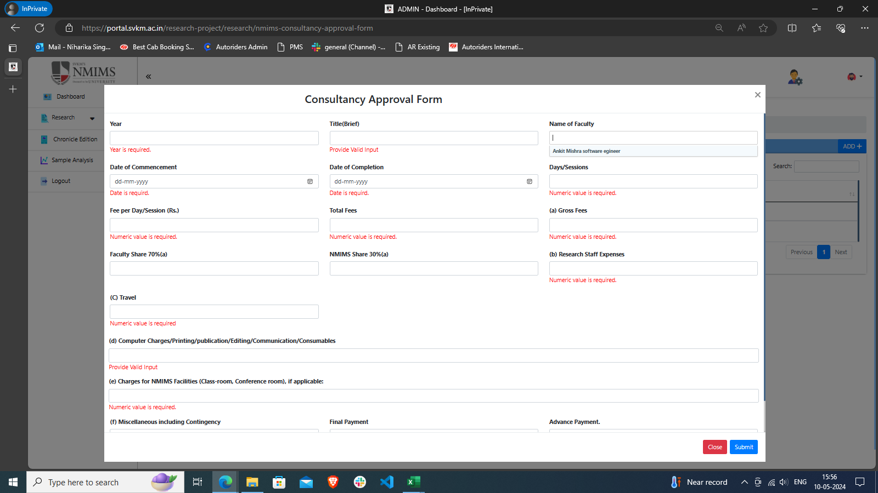
10 | To verify submission of form keeping Name of the Faculty as blank | CF_10 | Application should be open. "https://devportal.svkm.ac.in/researches" 1.Open the URL http://localhost:3000/admin/dashboard 2.Click on Research option from Left side bar. 3. Click on NMIMS Consultancy Form. 4. Click on "+" Icon | 1. Enter Year 2. Enter Title(Brief) 3. 4. Enter Designation and address of Contact Person for Client 5. Enter Date of Commencement 6. Enter Date of Completion 7. Enter Budget, Days/Session, Fee per Day/Session(Rs.) and Total Fee(Rs.) 8. Enter (a)Gross Fees, Faculty Share 70%of(a) and NMIMS Share 30%(a) 9. Enter Details of Distribution of Faculty Share (if more than one faculty)- Should have multiple options to enter details 10. (b)Enter Research Staff Expenses 11. (c)Enter Travel 12. (d)Enter Computer Charges/Printing/publication/Editing/Communication/Consumables 13. (e)Enter Charges for NMIMS Facilities (Class-room, Conference room), if applicable 14.(f)Enter Miscellaneous including Contingency 15. (g)Enter Total (a to f) GST as per Government Rules (if consulting is routed through NMIMS) 16. Enter Grand Total - Payment Schedule as discussed and agreed with the client 17. Enter Advance Payment, Final Payment, Total Payment 18. Enter Faculty Coordinator : Enter Date: 19. Enter Vice Chancellor : Enter Date: | Form should not get submitted | Form is not getting submitted | Pass | Niharika
11 | To verify submission of form keeping Designation and address of Contact Person for Client as blank | CF_11 | Application should be open. "https://devportal.svkm.ac.in/researches" 1.Open the URL http://localhost:3000/admin/dashboard 2.Click on Research option from Left side bar. 3. Click on NMIMS Consultancy Form. 4. Click on "+" Icon | 1. Enter Year 2. Enter Title(Brief) 3. Enter Name of the Faculty 4. 5. Enter Date of Commencement 6. Enter Date of Completion 7. Enter Budget, Days/Session, Fee per Day/Session(Rs.) and Total Fee(Rs.) 8. Enter (a)Gross Fees, Faculty Share 70%of(a) and NMIMS Share 30%(a) 9. Enter Details of Distribution of Faculty Share (if more than one faculty)- Should have multiple options to enter details 10. (b)Enter Research Staff Expenses 11. (c)Enter Travel 12. (d)Enter Computer Charges/Printing/publication/Editing/Communication/Consumables 13. (e)Enter Charges for NMIMS Facilities (Class-room, Conference room), if applicable 14.(f)Enter Miscellaneous including Contingency 15. (g)Enter Total (a to f) GST as per Government Rules (if consulting is routed through NMIMS) 16. Enter Grand Total - Payment Schedule as discussed and agreed with the client 17. Enter Advance Payment, Final Payment, Total Payment 18. Enter Faculty Coordinator : Enter Date: 19. Enter Vice Chancellor : Enter Date: | Form should not get submitted | Field - Designation and address of Contact Person for Client is not there in Form | Fail | Niharika
12 | To verify submission of form after adding a Designation and address of Contact Person for Client with special character to the form | CF_12 | Application should be open. "https://devportal.svkm.ac.in/researches" 1.Open the URL http://localhost:3000/admin/dashboard 2.Click on Research option from Left side bar. 3. Click on NMIMS Consultancy Form. 4. Click on "+" Icon | 1. Enter Year 2. Enter Title(Brief) 3. Enter Name of the Faculty 4. Enter Designation and address of Contact Person for Client (,.:-_) 5. Enter Date of Commencement 6. Enter Date of Completion 7. Enter Budget, Days/Session, Fee per Day/Session(Rs.) and Total Fee(Rs.) 8. Enter (a)Gross Fees, Faculty Share 70%of(a) and NMIMS Share 30%(a) 9. Enter Details of Distribution of Faculty Share (if more than one faculty)- Should have multiple options to enter details 10. (b)Enter Research Staff Expenses 11. (c)Enter Travel 12. (d)Enter Computer Charges/Printing/publication/Editing/Communication/Consumables 13. (e)Enter Charges for NMIMS Facilities (Class-room, Conference room), if applicable 14.(f)Enter Miscellaneous including Contingency 15. (g)Enter Total (a to f) GST as per Government Rules (if consulting is routed through NMIMS) 16. Enter Grand Total - Payment Schedule as discussed and agreed with the client 17. Enter Advance Payment, Final Payment, Total Payment 18. Enter Faculty Coordinator : Enter Date: 19. Enter Vice Chancellor : Enter Date: | Form should get submitted | Field - Designation and address of Contact Person for Client is not there in Form | Fail | Niharika
13 | To verify submission of form keeping Date of Commencement as blank | CF_13 | Application should be open. "https://devportal.svkm.ac.in/researches" 1.Open the URL http://localhost:3000/admin/dashboard 2.Click on Research option from Left side bar. 3. Click on NMIMS Consultancy Form. 4. Click on "+" Icon | 1. Enter Year 2. Enter Title(Brief) 3. Enter Name of the Faculty 4. Enter Designation and address of Contact Person for Client 5. 6. Enter Date of Completion 7. Enter Budget, Days/Session, Fee per Day/Session(Rs.) and Total Fee(Rs.) 8. Enter (a)Gross Fees, Faculty Share 70%of(a) and NMIMS Share 30%(a) 9. Enter Details of Distribution of Faculty Share (if more than one faculty)- Should have multiple options to enter details 10. (b)Enter Research Staff Expenses 11. (c)Enter Travel 12. (d)Enter Computer Charges/Printing/publication/Editing/Communication/Consumables 13. (e)Enter Charges for NMIMS Facilities (Class-room, Conference room), if applicable 14.(f)Enter Miscellaneous including Contingency 15. (g)Enter Total (a to f) GST as per Government Rules (if consulting is routed through NMIMS) 16. Enter Grand Total - Payment Schedule as discussed and agreed with the client 17. Enter Advance Payment, Final Payment, Total Payment 18. Enter Faculty Coordinator : Enter Date: 19. Enter Vice Chancellor : Enter Date: | Form should not get submitted | Form is not getting submitted | Pass | Niharika
14 | To verify submission of form after adding a Date of Commencement as alphanumeric or invalid | CF_14 | Application should be open. "https://devportal.svkm.ac.in/researches" 1.Open the URL http://localhost:3000/admin/dashboard 2.Click on Research option from Left side bar. 3. Click on NMIMS Consultancy Form. 4. Click on "+" Icon | 1. Enter Year 2. Enter Title(Brief) 3. Enter Name of the Faculty 4. Enter Designation and address of Contact Person for Client 5. Enter Date of Commencement 6. Enter Date of Completion 7. Enter Budget, Days/Session, Fee per Day/Session(Rs.) and Total Fee(Rs.) 8. Enter (a)Gross Fees, Faculty Share 70%of(a) and NMIMS Share 30%(a) 9. Enter Details of Distribution of Faculty Share (if more than one faculty)- Should have multiple options to enter details 10. (b)Enter Research Staff Expenses 11. (c)Enter Travel 12. (d)Enter Computer Charges/Printing/publication/Editing/Communication/Consumables 13. (e)Enter Charges for NMIMS Facilities (Class-room, Conference room), if applicable 14.(f)Enter Miscellaneous including Contingency 15. (g)Enter Total (a to f) GST as per Government Rules (if consulting is routed through NMIMS) 16. Enter Grand Total - Payment Schedule as discussed and agreed with the client 17. Enter Advance Payment, Final Payment, Total Payment 18. Enter Faculty Coordinator : Enter Date: 19. Enter Vice Chancellor : Enter Date: | Form should not get submitted | Not allowing to enter alphabet | Pass | Niharika
15 | To verify submission of form keeping Date of Completion as blank | CF_15 | Application should be open. "https://devportal.svkm.ac.in/researches" 1.Open the URL http://localhost:3000/admin/dashboard 2.Click on Research option from Left side bar. 3. Click on NMIMS Consultancy Form. 4. Click on "+" Icon | 1. Enter Year 2. Enter Title(Brief) 3. Enter Name of the Faculty 4. Enter Designation and address of Contact Person for Client 5. Enter Date of Commencement 6. 7. Enter Budget, Days/Session, Fee per Day/Session(Rs.) and Total Fee(Rs.) 8. Enter (a)Gross Fees, Faculty Share 70%of(a) and NMIMS Share 30%(a) 9. Enter Details of Distribution of Faculty Share (if more than one faculty)- Should have multiple options to enter details 10. (b)Enter Research Staff Expenses 11. (c)Enter Travel 12. (d)Enter Computer Charges/Printing/publication/Editing/Communication/Consumables 13. (e)Enter Charges for NMIMS Facilities (Class-room, Conference room), if applicable 14.(f)Enter Miscellaneous including Contingency 15. (g)Enter Total (a to f) GST as per Government Rules (if consulting is routed through NMIMS) 16. Enter Grand Total - Payment Schedule as discussed and agreed with the client 17. Enter Advance Payment, Final Payment, Total Payment 18. Enter Faculty Coordinator : Enter Date: 19. Enter Vice Chancellor : Enter Date: | Form should not get submitted | Form is not getting submitted | Pass | Niharika
16 | To verify submission of form after adding a Date of Completion as alphanumeric or invalid | CF_16 | Application should be open. "https://devportal.svkm.ac.in/researches" 1.Open the URL http://localhost:3000/admin/dashboard 2.Click on Research option from Left side bar. 3. Click on NMIMS Consultancy Form. 4. Click on "+" Icon | 1. Enter Year 2. Enter Title(Brief) 3. Enter Name of the Faculty 4. Enter Designation and address of Contact Person for Client 5. Enter Date of Commencement 6. Enter Date of Completion 7. Enter Budget, Days/Session, Fee per Day/Session(Rs.) and Total Fee(Rs.) 8. Enter (a)Gross Fees, Faculty Share 70%of(a) and NMIMS Share 30%(a) 9. Enter Details of Distribution of Faculty Share (if more than one faculty)- Should have multiple options to enter details 10. (b)Enter Research Staff Expenses 11. (c)Enter Travel 12. (d)Enter Computer Charges/Printing/publication/Editing/Communication/Consumables 13. (e)Enter Charges for NMIMS Facilities (Class-room, Conference room), if applicable 14.(f)Enter Miscellaneous including Contingency 15. (g)Enter Total (a to f) GST as per Government Rules (if consulting is routed through NMIMS) 16. Enter Grand Total - Payment Schedule as discussed and agreed with the client 17. Enter Advance Payment, Final Payment, Total Payment 18. Enter Faculty Coordinator : Enter Date: 19. Enter Vice Chancellor : Enter Date: | Form should not get submitted | Not allowing to enter alphabet | Pass | Niharika
17 | To verify submission of form keeping one of each file of Enter Budget, Days/Session, Fee per Day/Session(Rs.) and Total Fee(Rs.) as blank | CF_17 | Application should be open. "https://devportal.svkm.ac.in/researches" 1.Open the URL http://localhost:3000/admin/dashboard 2.Click on Research option from Left side bar. 3. Click on NMIMS Consultancy Form. 4. Click on "+" Icon | 1. Enter Year 2. Enter Title(Brief) 3. Enter Name of the Faculty 4. Enter Designation and address of Contact Person for Client 5. Enter Date of Commencement 6. Enter Date of Completion 7. Enter Budget, Days/Session, Fee per Day/Session(Rs.) and Total Fee(Rs.) 8. Enter (a)Gross Fees, Faculty Share 70%of(a) and NMIMS Share 30%(a) 9. Enter Details of Distribution of Faculty Share (if more than one faculty)- Should have multiple options to enter details 10. (b)Enter Research Staff Expenses 11. (c)Enter Travel 12. (d)Enter Computer Charges/Printing/publication/Editing/Communication/Consumables 13. (e)Enter Charges for NMIMS Facilities (Class-room, Conference room), if applicable 14.(f)Enter Miscellaneous including Contingency 15. (g)Enter Total (a to f) GST as per Government Rules (if consulting is routed through NMIMS) 16. Enter Grand Total - Payment Schedule as discussed and agreed with the client 17. Enter Advance Payment, Final Payment, Total Payment 18. Enter Faculty Coordinator : Enter Date: 19. Enter Vice Chancellor : Enter Date: | Form should not get submitted | Form is not getting submitted | Pass | Niharika
18 | To verify submission of form after adding one of each file of Enter Budget, Days/Session, Fee per Day/Session(Rs.) and Total Fee(Rs.) as invalid | CF_18 | Application should be open. "https://devportal.svkm.ac.in/researches" 1.Open the URL http://localhost:3000/admin/dashboard 2.Click on Research option from Left side bar. 3. Click on NMIMS Consultancy Form. 4. Click on "+" Icon | 1. Enter Year 2. Enter Title(Brief) 3. Enter Name of the Faculty 4. Enter Designation and address of Contact Person for Client 5. Enter Date of Commencement 6. Enter Date of Completion 7. Enter Budget, Days/Session, Fee per Day/Session(Rs.) and Total Fee(Rs.) 8. Enter (a)Gross Fees, Faculty Share 70%of(a) and NMIMS Share 30%(a) 9. Enter Details of Distribution of Faculty Share (if more than one faculty)- Should have multiple options to enter details 10. (b)Enter Research Staff Expenses 11. (c)Enter Travel 12. (d)Enter Computer Charges/Printing/publication/Editing/Communication/Consumables 13. (e)Enter Charges for NMIMS Facilities (Class-room, Conference room), if applicable 14.(f)Enter Miscellaneous including Contingency 15. (g)Enter Total (a to f) GST as per Government Rules (if consulting is routed through NMIMS) 16. Enter Grand Total - Payment Schedule as discussed and agreed with the client 17. Enter Advance Payment, Final Payment, Total Payment 18. Enter Faculty Coordinator : Enter Date: 19. Enter Vice Chancellor : Enter Date: | Form should not get submitted | Not allowing to enter alphabet | Pass | Niharika
19 | To verify submission of form without adding Details of Distribution of Faculty Share (if more than one faculty) | CF_19 | Application should be open. "https://devportal.svkm.ac.in/researches" 1.Open the URL http://localhost:3000/admin/dashboard 2.Click on Research option from Left side bar. 3. Click on NMIMS Consultancy Form. 4. Click on "+" Icon | 1. Enter Year 2. Enter Title(Brief) 3. Enter Name of the Faculty 4. Enter Designation and address of Contact Person for Client 5. Enter Date of Commencement 6. Enter Date of Completion 7. Enter Budget, Days/Session, Fee per Day/Session(Rs.) and Total Fee(Rs.) 8. Enter (a)Gross Fees, Faculty Share 70%of(a) and NMIMS Share 30%(a) 9. 10. (b)Enter Research Staff Expenses 11. (c)Enter Travel 12. (d)Enter Computer Charges/Printing/publication/Editing/Communication/Consumables 13. (e)Enter Charges for NMIMS Facilities (Class-room, Conference room), if applicable 14.(f)Enter Miscellaneous including Contingency 15. (g)Enter Total (a to f) GST as per Government Rules (if consulting is routed through NMIMS) 16. Enter Grand Total - Payment Schedule as discussed and agreed with the client 17. Enter Advance Payment, Final Payment, Total Payment 18. Enter Faculty Coordinator : Enter Date: 19. Enter Vice Chancellor : Enter Date: | Form should get submitted | Field - Details of Distribution of Faculty Share (if more than one faculty) is not there in Form | Fail | Niharika
20 | To verify submission of form without adding Details of Distribution of Faculty Share (if more than one faculty) | CF_20 | Application should be open. "https://devportal.svkm.ac.in/researches" 1.Open the URL http://localhost:3000/admin/dashboard 2.Click on Research option from Left side bar. 3. Click on NMIMS Consultancy Form. 4. Click on "+" Icon | 1. Enter Year 2. Enter Title(Brief) 3. Enter Name of the Faculty 4. Enter Designation and address of Contact Person for Client 5. Enter Date of Commencement 6. Enter Date of Completion 7. Enter Budget, Days/Session, Fee per Day/Session(Rs.) and Total Fee(Rs.) 8. Enter (a)Gross Fees, Faculty Share 70%of(a) and NMIMS Share 30%(a) 9. Enter Details of Distribution of Faculty Share (if more than one faculty)- Should have multiple options to enter details 10. (b)Enter Research Staff Expenses 11. (c)Enter Travel 12. (d)Enter Computer Charges/Printing/publication/Editing/Communication/Consumables 13. (e)Enter Charges for NMIMS Facilities (Class-room, Conference room), if applicable 14.(f)Enter Miscellaneous including Contingency 15. (g)Enter Total (a to f) GST as per Government Rules (if consulting is routed through NMIMS) 16. Enter Grand Total - Payment Schedule as discussed and agreed with the client 17. Enter Advance Payment, Final Payment, Total Payment 18. Enter Faculty Coordinator : Enter Date: 19. Enter Vice Chancellor : Enter Date: | Form should get submitted | Field - Details of Distribution of Faculty Share (if more than one faculty) is not there in Form | Fail | Niharika
21 | To verify submission of form without adding Research Staff Expenses | CF_21 | Application should be open. "https://devportal.svkm.ac.in/researches" 1.Open the URL http://localhost:3000/admin/dashboard 2.Click on Research option from Left side bar. 3. Click on NMIMS Consultancy Form. 4. Click on "+" Icon | 1. Enter Year 2. Enter Title(Brief) 3. Enter Name of the Faculty 4. Enter Designation and address of Contact Person for Client 5. Enter Date of Commencement 6. Enter Date of Completion 7. Enter Budget, Days/Session, Fee per Day/Session(Rs.) and Total Fee(Rs.) 8. Enter (a)Gross Fees, Faculty Share 70%of(a) and NMIMS Share 30%(a) 9. Enter Details of Distribution of Faculty Share (if more than one faculty)- Should have multiple options to enter details 10. (b) 11. (c)Enter Travel 12. (d)Enter Computer Charges/Printing/publication/Editing/Communication/Consumables 13. (e)Enter Charges for NMIMS Facilities (Class-room, Conference room), if applicable 14.(f)Enter Miscellaneous including Contingency 15. (g)Enter Total (a to f) GST as per Government Rules (if consulting is routed through NMIMS) 16. Enter Grand Total - Payment Schedule as discussed and agreed with the client 17. Enter Advance Payment, Final Payment, Total Payment 18. Enter Faculty Coordinator : Enter Date: 19. Enter Vice Chancellor : Enter Date: | Form should not get submitted | Form is not getting submitted | Pass | Niharika
22 | To verify submission of form adding Research Staff Expenses as Invalid(alphanumeric) | CF_22 | Application should be open. "https://devportal.svkm.ac.in/researches" 1.Open the URL http://localhost:3000/admin/dashboard 2.Click on Research option from Left side bar. 3. Click on NMIMS Consultancy Form. 4. Click on "+" Icon | 1. Enter Year 2. Enter Title(Brief) 3. Enter Name of the Faculty 4. Enter Designation and address of Contact Person for Client 5. Enter Date of Commencement 6. Enter Date of Completion 7. Enter Budget, Days/Session, Fee per Day/Session(Rs.) and Total Fee(Rs.) 8. Enter (a)Gross Fees, Faculty Share 70%of(a) and NMIMS Share 30%(a) 9. Enter Details of Distribution of Faculty Share (if more than one faculty)- Should have multiple options to enter details 10. (b)Enter Research Staff Expenses 11. (c)Enter Travel 12. (d)Enter Computer Charges/Printing/publication/Editing/Communication/Consumables 13. (e)Enter Charges for NMIMS Facilities (Class-room, Conference room), if applicable 14.(f)Enter Miscellaneous including Contingency 15. (g)Enter Total (a to f) GST as per Government Rules (if consulting is routed through NMIMS) 16. Enter Grand Total - Payment Schedule as discussed and agreed with the client 17. Enter Advance Payment, Final Payment, Total Payment 18. Enter Faculty Coordinator : Enter Date: 19. Enter Vice Chancellor : Enter Date: | Form should not get submitted | Not allowing to enter alphabet | Pass | Niharika
23 | To verify submission of form without adding Travel | CF_23 | Application should be open. "https://devportal.svkm.ac.in/researches" 1.Open the URL http://localhost:3000/admin/dashboard 2.Click on Research option from Left side bar. 3. Click on NMIMS Consultancy Form. 4. Click on "+" Icon | 1. Enter Year 2. Enter Title(Brief) 3. Enter Name of the Faculty 4. Enter Designation and address of Contact Person for Client 5. Enter Date of Commencement 6. Enter Date of Completion 7. Enter Budget, Days/Session, Fee per Day/Session(Rs.) and Total Fee(Rs.) 8. Enter (a)Gross Fees, Faculty Share 70%of(a) and NMIMS Share 30%(a) 9. Enter Details of Distribution of Faculty Share (if more than one faculty)- Should have multiple options to enter details 10. (b)Enter Research Staff Expenses 11. (c) 12. (d)Enter Computer Charges/Printing/publication/Editing/Communication/Consumables 13. (e)Enter Charges for NMIMS Facilities (Class-room, Conference room), if applicable 14.(f)Enter Miscellaneous including Contingency 15. (g)Enter Total (a to f) GST as per Government Rules (if consulting is routed through NMIMS) 16. Enter Grand Total - Payment Schedule as discussed and agreed with the client 17. Enter Advance Payment, Final Payment, Total Payment 18. Enter Faculty Coordinator : Enter Date: 19. Enter Vice Chancellor : Enter Date: | Form should not get submitted | Form is not getting submitted | Pass | Niharika
24 | To verify submission of form adding Travel as Invalid(alphanumeric) | CF_24 | Application should be open. "https://devportal.svkm.ac.in/researches" 1.Open the URL http://localhost:3000/admin/dashboard 2.Click on Research option from Left side bar. 3. Click on NMIMS Consultancy Form. 4. Click on "+" Icon | 1. Enter Year 2. Enter Title(Brief) 3. Enter Name of the Faculty 4. Enter Designation and address of Contact Person for Client 5. Enter Date of Commencement 6. Enter Date of Completion 7. Enter Budget, Days/Session, Fee per Day/Session(Rs.) and Total Fee(Rs.) 8. Enter (a)Gross Fees, Faculty Share 70%of(a) and NMIMS Share 30%(a) 9. Enter Details of Distribution of Faculty Share (if more than one faculty)- Should have multiple options to enter details 10. (b)Enter Research Staff Expenses 11. (c)Enter Travel 12. (d)Enter Computer Charges/Printing/publication/Editing/Communication/Consumables 13. (e)Enter Charges for NMIMS Facilities (Class-room, Conference room), if applicable 14.(f)Enter Miscellaneous including Contingency 15. (g)Enter Total (a to f) GST as per Government Rules (if consulting is routed through NMIMS) 16. Enter Grand Total - Payment Schedule as discussed and agreed with the client 17. Enter Advance Payment, Final Payment, Total Payment 18. Enter Faculty Coordinator : Enter Date: 19. Enter Vice Chancellor : Enter Date: | Form should not get submitted | Not allowing to enter alphabet | Pass | Niharika
25 | To verify submission of form without adding Computer Charges/Printing/publication/Editing/Communication/Consumables | CF_25 | Application should be open. "https://devportal.svkm.ac.in/researches" 1.Open the URL http://localhost:3000/admin/dashboard 2.Click on Research option from Left side bar. 3. Click on NMIMS Consultancy Form. 4. Click on "+" Icon | 1. Enter Year 2. Enter Title(Brief) 3. Enter Name of the Faculty 4. Enter Designation and address of Contact Person for Client 5. Enter Date of Commencement 6. Enter Date of Completion 7. Enter Budget, Days/Session, Fee per Day/Session(Rs.) and Total Fee(Rs.) 8. Enter (a)Gross Fees, Faculty Share 70%of(a) and NMIMS Share 30%(a) 9. Enter Details of Distribution of Faculty Share (if more than one faculty)- Should have multiple options to enter details 10. (b)Enter Research Staff Expenses 11. (c)Enter Travel 12. (d) 13. (e)Enter Charges for NMIMS Facilities (Class-room, Conference room), if applicable 14.(f)Enter Miscellaneous including Contingency 15. (g)Enter Total (a to f) GST as per Government Rules (if consulting is routed through NMIMS) 16. Enter Grand Total - Payment Schedule as discussed and agreed with the client 17. Enter Advance Payment, Final Payment, Total Payment 18. Enter Faculty Coordinator : Enter Date: 19. Enter Vice Chancellor : Enter Date: | Form should not get submitted | Form is not getting submitted | Pass | Niharika
26 | To verify submission of form adding Computer Charges/Printing/publication/Editing/Communication/Consumables as Invalid(alphanumeric) | CF_26 | Application should be open. "https://devportal.svkm.ac.in/researches" 1.Open the URL http://localhost:3000/admin/dashboard 2.Click on Research option from Left side bar. 3. Click on NMIMS Consultancy Form. 4. Click on "+" Icon | 1. Enter Year 2. Enter Title(Brief) 3. Enter Name of the Faculty 4. Enter Designation and address of Contact Person for Client 5. Enter Date of Commencement 6. Enter Date of Completion 7. Enter Budget, Days/Session, Fee per Day/Session(Rs.) and Total Fee(Rs.) 8. Enter (a)Gross Fees, Faculty Share 70%of(a) and NMIMS Share 30%(a) 9. Enter Details of Distribution of Faculty Share (if more than one faculty)- Should have multiple options to enter details 10. (b)Enter Research Staff Expenses 11. (c)Enter Travel 12. (d)Enter Computer Charges/Printing/publication/Editing/Communication/Consumables 13. (e)Enter Charges for NMIMS Facilities (Class-room, Conference room), if applicable 14.(f)Enter Miscellaneous including Contingency 15. (g)Enter Total (a to f) GST as per Government Rules (if consulting is routed through NMIMS) 16. Enter Grand Total - Payment Schedule as discussed and agreed with the client 17. Enter Advance Payment, Final Payment, Total Payment 18. Enter Faculty Coordinator : Enter Date: 19. Enter Vice Chancellor : Enter Date: | Form should not get submitted | Not allowing to enter alphabet | Pass | Niharika
27 | To verify submission of form adding Charges for NMIMS Facilities (Class-room, Conference room), if applicable(alphanumeric) | CF_27 | Application should be open. "https://devportal.svkm.ac.in/researches" 1.Open the URL http://localhost:3000/admin/dashboard 2.Click on Research option from Left side bar. 3. Click on NMIMS Consultancy Form. 4. Click on "+" Icon | 1. Enter Year 2. Enter Title(Brief) 3. Enter Name of the Faculty 4. Enter Designation and address of Contact Person for Client 5. Enter Date of Commencement 6. Enter Date of Completion 7. Enter Budget, Days/Session, Fee per Day/Session(Rs.) and Total Fee(Rs.) 8. Enter (a)Gross Fees, Faculty Share 70%of(a) and NMIMS Share 30%(a) 9. Enter Details of Distribution of Faculty Share (if more than one faculty)- Should have multiple options to enter details 10. (b)Enter Research Staff Expenses 11. (c)Enter Travel 12. (d)Enter Computer Charges/Printing/publication/Editing/Communication/Consumables 13. (e)Enter Charges for NMIMS Facilities (Class-room, Conference room), if applicable 14.(f)Enter Miscellaneous including Contingency 15. (g)Enter Total (a to f) GST as per Government Rules (if consulting is routed through NMIMS) 16. Enter Grand Total - Payment Schedule as discussed and agreed with the client 17. Enter Advance Payment, Final Payment, Total Payment 18. Enter Faculty Coordinator : Enter Date: 19. Enter Vice Chancellor : Enter Date: | Form should not get submitted | Not allowing to enter alphabet | Pass | Niharika
28 | To verify submission of form without adding Charges for NMIMS Facilities (Class-room, Conference room), if applicable | CF_28 | Application should be open. "https://devportal.svkm.ac.in/researches" 1.Open the URL http://localhost:3000/admin/dashboard 2.Click on Research option from Left side bar. 3. Click on NMIMS Consultancy Form. 4. Click on "+" Icon | 1. Enter Year 2. Enter Title(Brief) 3. Enter Name of the Faculty 4. Enter Designation and address of Contact Person for Client 5. Enter Date of Commencement 6. Enter Date of Completion 7. Enter Budget, Days/Session, Fee per Day/Session(Rs.) and Total Fee(Rs.) 8. Enter (a)Gross Fees, Faculty Share 70%of(a) and NMIMS Share 30%(a) 9. Enter Details of Distribution of Faculty Share (if more than one faculty)- Should have multiple options to enter details 10. (b)Enter Research Staff Expenses 11. (c)Enter Travel 12. (d)Enter Computer Charges/Printing/publication/Editing/Communication/Consumables 13. 14.(f)Enter Miscellaneous including Contingency 15. (g)Enter Total (a to f) GST as per Government Rules (if consulting is routed through NMIMS) 16. Enter Grand Total - Payment Schedule as discussed and agreed with the client 17. Enter Advance Payment, Final Payment, Total Payment 18. Enter Faculty Coordinator : Enter Date: 19. Enter Vice Chancellor : Enter Date: | Form should get submitted | Form is not getting submitted | Pass | Niharika
29 | To verify submission of form adding Enter Miscellaneous including Contingency(alphanumeric) | CF_29 | Application should be open. "https://devportal.svkm.ac.in/researches" 1.Open the URL http://localhost:3000/admin/dashboard 2.Click on Research option from Left side bar. 3. Click on NMIMS Consultancy Form. 4. Click on "+" Icon | 1. Enter Year 2. Enter Title(Brief) 3. Enter Name of the Faculty 4. Enter Designation and address of Contact Person for Client 5. Enter Date of Commencement 6. Enter Date of Completion 7. Enter Budget, Days/Session, Fee per Day/Session(Rs.) and Total Fee(Rs.) 8. Enter (a)Gross Fees, Faculty Share 70%of(a) and NMIMS Share 30%(a) 9. Enter Details of Distribution of Faculty Share (if more than one faculty)- Should have multiple options to enter details 10. (b)Enter Research Staff Expenses 11. (c)Enter Travel 12. (d)Enter Computer Charges/Printing/publication/Editing/Communication/Consumables 13. (e)Enter Charges for NMIMS Facilities (Class-room, Conference room), if applicable 14.(f)Enter Miscellaneous including Contingency 15. (g)Enter Total (a to f) GST as per Government Rules (if consulting is routed through NMIMS) 16. Enter Grand Total - Payment Schedule as discussed and agreed with the client 17. Enter Advance Payment, Final Payment, Total Payment 18. Enter Faculty Coordinator : Enter Date: 19. Enter Vice Chancellor : Enter Date: | Form should not get submitted | Not allowing to enter alphabet | Pass | Niharika
30 | To verify submission of form without adding Enter Miscellaneous including Contingency | CF_30 | Application should be open. "https://devportal.svkm.ac.in/researches" 1.Open the URL http://localhost:3000/admin/dashboard 2.Click on Research option from Left side bar. 3. Click on NMIMS Consultancy Form. 4. Click on "+" Icon | 1. Enter Year 2. Enter Title(Brief) 3. Enter Name of the Faculty 4. Enter Designation and address of Contact Person for Client 5. Enter Date of Commencement 6. Enter Date of Completion 7. Enter Budget, Days/Session, Fee per Day/Session(Rs.) and Total Fee(Rs.) 8. Enter (a)Gross Fees, Faculty Share 70%of(a) and NMIMS Share 30%(a) 9. Enter Details of Distribution of Faculty Share (if more than one faculty)- Should have multiple options to enter details 10. (b)Enter Research Staff Expenses 11. (c)Enter Travel 12. (d)Enter Computer Charges/Printing/publication/Editing/Communication/Consumables 13. (e)Enter Charges for NMIMS Facilities (Class-room, Conference room), if applicable 14. 15. (g)Enter Total (a to f) GST as per Government Rules (if consulting is routed through NMIMS) 16. Enter Grand Total - Payment Schedule as discussed and agreed with the client 17. Enter Advance Payment, Final Payment, Total Payment 18. Enter Faculty Coordinator : Enter Date: 19. Enter Vice Chancellor : Enter Date: | Form should not get submitted | Form is not getting submitted | Pass | Niharika
31 | To verify submission of form adding Total (a to f) GST as per Government Rules (if consulting is routed through NMIMS) (alphanumeric) | CF_31 | Application should be open. "https://devportal.svkm.ac.in/researches" 1.Open the URL http://localhost:3000/admin/dashboard 2.Click on Research option from Left side bar. 3. Click on NMIMS Consultancy Form. 4. Click on "+" Icon | 1. Enter Year 2. Enter Title(Brief) 3. Enter Name of the Faculty 4. Enter Designation and address of Contact Person for Client 5. Enter Date of Commencement 6. Enter Date of Completion 7. Enter Budget, Days/Session, Fee per Day/Session(Rs.) and Total Fee(Rs.) 8. Enter (a)Gross Fees, Faculty Share 70%of(a) and NMIMS Share 30%(a) 9. Enter Details of Distribution of Faculty Share (if more than one faculty)- Should have multiple options to enter details 10. (b)Enter Research Staff Expenses 11. (c)Enter Travel 12. (d)Enter Computer Charges/Printing/publication/Editing/Communication/Consumables 13. (e)Enter Charges for NMIMS Facilities (Class-room, Conference room), if applicable 14.(f)Enter Miscellaneous including Contingency 15. (g)Enter Total (a to f) GST as per Government Rules (if consulting is routed through NMIMS) 16. Enter Grand Total - Payment Schedule as discussed and agreed with the client 17. Enter Advance Payment, Final Payment, Total Payment 18. Enter Faculty Coordinator : Enter Date: 19. Enter Vice Chancellor : Enter Date: | Form should not get submitted | Field - Details of Distribution of Faculty Share (if more than one faculty) is not there in Form | Fail | Niharika
32 | To verify submission of form without adding Total (a to f) GST as per Government Rules (if consulting is routed through NMIMS) | CF_32 | Application should be open. "https://devportal.svkm.ac.in/researches" 1.Open the URL http://localhost:3000/admin/dashboard 2.Click on Research option from Left side bar. 3. Click on NMIMS Consultancy Form. 4. Click on "+" Icon | 1. Enter Year 2. Enter Title(Brief) 3. Enter Name of the Faculty 4. Enter Designation and address of Contact Person for Client 5. Enter Date of Commencement 6. Enter Date of Completion 7. Enter Budget, Days/Session, Fee per Day/Session(Rs.) and Total Fee(Rs.) 8. Enter (a)Gross Fees, Faculty Share 70%of(a) and NMIMS Share 30%(a) 9. Enter Details of Distribution of Faculty Share (if more than one faculty)- Should have multiple options to enter details 10. (b)Enter Research Staff Expenses 11. (c)Enter Travel 12. (d)Enter Computer Charges/Printing/publication/Editing/Communication/Consumables 13. (e)Enter Charges for NMIMS Facilities (Class-room, Conference room), if applicable 14.(f)Enter Miscellaneous including Contingency 15. 16. Enter Grand Total - Payment Schedule as discussed and agreed with the client 17. Enter Advance Payment, Final Payment, Total Payment 18. Enter Faculty Coordinator : Enter Date: 19. Enter Vice Chancellor : Enter Date: | Form should not get submitted | Field - Details of Distribution of Faculty Share (if more than one faculty) is not there in Form | Fail | Niharika
33 | To verify submission of form adding Grand Total - Payment Schedule as discussed and agreed with the client (alphanumeric) | CF_33 | Application should be open. "https://devportal.svkm.ac.in/researches" 1.Open the URL http://localhost:3000/admin/dashboard 2.Click on Research option from Left side bar. 3. Click on NMIMS Consultancy Form. 4. Click on "+" Icon | 1. Enter Year 2. Enter Title(Brief) 3. Enter Name of the Faculty 4. Enter Designation and address of Contact Person for Client 5. Enter Date of Commencement 6. Enter Date of Completion 7. Enter Budget, Days/Session, Fee per Day/Session(Rs.) and Total Fee(Rs.) 8. Enter (a)Gross Fees, Faculty Share 70%of(a) and NMIMS Share 30%(a) 9. Enter Details of Distribution of Faculty Share (if more than one faculty)- Should have multiple options to enter details 10. (b)Enter Research Staff Expenses 11. (c)Enter Travel 12. (d)Enter Computer Charges/Printing/publication/Editing/Communication/Consumables 13. (e)Enter Charges for NMIMS Facilities (Class-room, Conference room), if applicable 14.(f)Enter Miscellaneous including Contingency 15. (g)Enter Total (a to f) GST as per Government Rules (if consulting is routed through NMIMS) 16. Enter Grand Total - Payment Schedule as discussed and agreed with the client 17. Enter Advance Payment, Final Payment, Total Payment 18. Enter Faculty Coordinator : Enter Date: 19. Enter Vice Chancellor : Enter Date: | Form should not get submitted | Field -Grand Total - Payment Schedule as discussed and agreed with the client is not there in Form | Fail | Niharika
34 | To verify submission of form without adding Grand Total - Payment Schedule as discussed and agreed with the client | CF_34 | Application should be open. "https://devportal.svkm.ac.in/researches" 1.Open the URL http://localhost:3000/admin/dashboard 2.Click on Research option from Left side bar. 3. Click on NMIMS Consultancy Form. 4. Click on "+" Icon | 1. Enter Year 2. Enter Title(Brief) 3. Enter Name of the Faculty 4. Enter Designation and address of Contact Person for Client 5. Enter Date of Commencement 6. Enter Date of Completion 7. Enter Budget, Days/Session, Fee per Day/Session(Rs.) and Total Fee(Rs.) 8. Enter (a)Gross Fees, Faculty Share 70%of(a) and NMIMS Share 30%(a) 9. Enter Details of Distribution of Faculty Share (if more than one faculty)- Should have multiple options to enter details 10. (b)Enter Research Staff Expenses 11. (c)Enter Travel 12. (d)Enter Computer Charges/Printing/publication/Editing/Communication/Consumables 13. (e)Enter Charges for NMIMS Facilities (Class-room, Conference room), if applicable 14.(f)Enter Miscellaneous including Contingency 15. (g)Enter Total (a to f) GST as per Government Rules (if consulting is routed through NMIMS) 16. 17. Enter Advance Payment, Final Payment, Total Payment 18. Enter Faculty Coordinator : Enter Date: 19. Enter Vice Chancellor : Enter Date: | Form should not get submitted | Field -Grand Total - Payment Schedule as discussed and agreed with the client is not there in Form | Fail | Niharika
35 | To verify submission of form adding Advance Payment, Final Payment, Total Payment (alphanumeric) | CF_35 | Application should be open. "https://devportal.svkm.ac.in/researches" 1.Open the URL http://localhost:3000/admin/dashboard 2.Click on Research option from Left side bar. 3. Click on NMIMS Consultancy Form. 4. Click on "+" Icon | 1. Enter Year 2. Enter Title(Brief) 3. Enter Name of the Faculty 4. Enter Designation and address of Contact Person for Client 5. Enter Date of Commencement 6. Enter Date of Completion 7. Enter Budget, Days/Session, Fee per Day/Session(Rs.) and Total Fee(Rs.) 8. Enter (a)Gross Fees, Faculty Share 70%of(a) and NMIMS Share 30%(a) 9. Enter Details of Distribution of Faculty Share (if more than one faculty)- Should have multiple options to enter details 10. (b)Enter Research Staff Expenses 11. (c)Enter Travel 12. (d)Enter Computer Charges/Printing/publication/Editing/Communication/Consumables 13. (e)Enter Charges for NMIMS Facilities (Class-room, Conference room), if applicable 14.(f)Enter Miscellaneous including Contingency 15. (g)Enter Total (a to f) GST as per Government Rules (if consulting is routed through NMIMS) 16. Enter Grand Total - Payment Schedule as discussed and agreed with the client 17. Enter Advance Payment, Final Payment, Total Payment 18. Enter Faculty Coordinator : Enter Date: 19. Enter Vice Chancellor : Enter Date: | Form should not get submitted | Not allowing to enter alphabet | Pass | Niharika
36 | To verify submission of form without adding Advance Payment, Final Payment, Total Payment | CF_36 | Application should be open. "https://devportal.svkm.ac.in/researches" 1.Open the URL http://localhost:3000/admin/dashboard 2.Click on Research option from Left side bar. 3. Click on NMIMS Consultancy Form. 4. Click on "+" Icon | 1. Enter Year 2. Enter Title(Brief) 3. Enter Name of the Faculty 4. Enter Designation and address of Contact Person for Client 5. Enter Date of Commencement 6. Enter Date of Completion 7. Enter Budget, Days/Session, Fee per Day/Session(Rs.) and Total Fee(Rs.) 8. Enter (a)Gross Fees, Faculty Share 70%of(a) and NMIMS Share 30%(a) 9. Enter Details of Distribution of Faculty Share (if more than one faculty)- Should have multiple options to enter details 10. (b)Enter Research Staff Expenses 11. (c)Enter Travel 12. (d)Enter Computer Charges/Printing/publication/Editing/Communication/Consumables 13. (e)Enter Charges for NMIMS Facilities (Class-room, Conference room), if applicable 14.(f)Enter Miscellaneous including Contingency 15. (g)Enter Total (a to f) GST as per Government Rules (if consulting is routed through NMIMS) 16. Enter Grand Total - Payment Schedule as discussed and agreed with the client 17. 18. Enter Faculty Coordinator : Enter Date: 19. Enter Vice Chancellor : Enter Date: | Form should not get submitted | Form is not getting submitted | Pass | Niharika
37 | To verify submission of form adding Faculty Coordinator : Enter Date: (alphanumeric) | CF_37 | Application should be open. "https://devportal.svkm.ac.in/researches" 1.Open the URL http://localhost:3000/admin/dashboard 2.Click on Research option from Left side bar. 3. Click on NMIMS Consultancy Form. 4. Click on "+" Icon | 1. Enter Year 2. Enter Title(Brief) 3. Enter Name of the Faculty 4. Enter Designation and address of Contact Person for Client 5. Enter Date of Commencement 6. Enter Date of Completion 7. Enter Budget, Days/Session, Fee per Day/Session(Rs.) and Total Fee(Rs.) 8. Enter (a)Gross Fees, Faculty Share 70%of(a) and NMIMS Share 30%(a) 9. Enter Details of Distribution of Faculty Share (if more than one faculty)- Should have multiple options to enter details 10. (b)Enter Research Staff Expenses 11. (c)Enter Travel 12. (d)Enter Computer Charges/Printing/publication/Editing/Communication/Consumables 13. (e)Enter Charges for NMIMS Facilities (Class-room, Conference room), if applicable 14.(f)Enter Miscellaneous including Contingency 15. (g)Enter Total (a to f) GST as per Government Rules (if consulting is routed through NMIMS) 16. Enter Grand Total - Payment Schedule as discussed and agreed with the client 17. Enter Advance Payment, Final Payment, Total Payment 18. Enter Faculty Coordinator : Enter Date: 19. Enter Vice Chancellor : Enter Date: | Form should not get submitted | Field - Faculty Coordinator : Enter Date: is not there in Form | Fail | Niharika
38 | To verify submission of form without adding Faculty Coordinator : Enter Date: | CF_38 | Application should be open. "https://devportal.svkm.ac.in/researches" 1.Open the URL http://localhost:3000/admin/dashboard 2.Click on Research option from Left side bar. 3. Click on NMIMS Consultancy Form. 4. Click on "+" Icon | 1. Enter Year 2. Enter Title(Brief) 3. Enter Name of the Faculty 4. Enter Designation and address of Contact Person for Client 5. Enter Date of Commencement 6. Enter Date of Completion 7. Enter Budget, Days/Session, Fee per Day/Session(Rs.) and Total Fee(Rs.) 8. Enter (a)Gross Fees, Faculty Share 70%of(a) and NMIMS Share 30%(a) 9. Enter Details of Distribution of Faculty Share (if more than one faculty)- Should have multiple options to enter details 10. (b)Enter Research Staff Expenses 11. (c)Enter Travel 12. (d)Enter Computer Charges/Printing/publication/Editing/Communication/Consumables 13. (e)Enter Charges for NMIMS Facilities (Class-room, Conference room), if applicable 14.(f)Enter Miscellaneous including Contingency 15. (g)Enter Total (a to f) GST as per Government Rules (if consulting is routed through NMIMS) 16. Enter Grand Total - Payment Schedule as discussed and agreed with the client 17. Enter Advance Payment, Final Payment, Total Payment 18. 19. Enter Vice Chancellor : Enter Date: | Form should not get submitted | Field - Faculty Coordinator : Enter Date: is not there in Form | Fail | Niharika
39 | To verify submission of form adding Vice Chancellor : Enter Date: (alphanumeric) | CF_39 | Application should be open. "https://devportal.svkm.ac.in/researches" 1.Open the URL http://localhost:3000/admin/dashboard 2.Click on Research option from Left side bar. 3. Click on NMIMS Consultancy Form. 4. Click on "+" Icon | 1. Enter Year 2. Enter Title(Brief) 3. Enter Name of the Faculty 4. Enter Designation and address of Contact Person for Client 5. Enter Date of Commencement 6. Enter Date of Completion 7. Enter Budget, Days/Session, Fee per Day/Session(Rs.) and Total Fee(Rs.) 8. Enter (a)Gross Fees, Faculty Share 70%of(a) and NMIMS Share 30%(a) 9. Enter Details of Distribution of Faculty Share (if more than one faculty)- Should have multiple options to enter details 10. (b)Enter Research Staff Expenses 11. (c)Enter Travel 12. (d)Enter Computer Charges/Printing/publication/Editing/Communication/Consumables 13. (e)Enter Charges for NMIMS Facilities (Class-room, Conference room), if applicable 14.(f)Enter Miscellaneous including Contingency 15. (g)Enter Total (a to f) GST as per Government Rules (if consulting is routed through NMIMS) 16. Enter Grand Total - Payment Schedule as discussed and agreed with the client 17. Enter Advance Payment, Final Payment, Total Payment 18. Enter Faculty Coordinator : Enter Date: 19. Enter Vice Chancellor : Enter Date: | Form should not get submitted | Field - Vice Chancellor : Enter Date: is not there in Form | Fail | Niharika
40 | To verify submission of form without adding Vice Chancellor : Enter Date: | CF_40 | Application should be open. "https://devportal.svkm.ac.in/researches" 1.Open the URL http://localhost:3000/admin/dashboard 2.Click on Research option from Left side bar. 3. Click on NMIMS Consultancy Form. 4. Click on "+" Icon | 1. Enter Year 2. Enter Title(Brief) 3. Enter Name of the Faculty 4. Enter Designation and address of Contact Person for Client 5. Enter Date of Commencement 6. Enter Date of Completion 7. Enter Budget, Days/Session, Fee per Day/Session(Rs.) and Total Fee(Rs.) 8. Enter (a)Gross Fees, Faculty Share 70%of(a) and NMIMS Share 30%(a) 9. Enter Details of Distribution of Faculty Share (if more than one faculty)- Should have multiple options to enter details 10. (b)Enter Research Staff Expenses 11. (c)Enter Travel 12. (d)Enter Computer Charges/Printing/publication/Editing/Communication/Consumables 13. (e)Enter Charges for NMIMS Facilities (Class-room, Conference room), if applicable 14.(f)Enter Miscellaneous including Contingency 15. (g)Enter Total (a to f) GST as per Government Rules (if consulting is routed through NMIMS) 16. Enter Grand Total - Payment Schedule as discussed and agreed with the client 17. Enter Advance Payment, Final Payment, Total Payment 18. Enter Faculty Coordinator : Enter Date: 19. | Form should not get submitted | Field - Vice Chancellor : Enter Date: is not there in Form | Fail | Niharika
41 | To check View Icon in View List | CS_41 | Application should be open. https://devportal.svkm.ac.in/researches | 1.Open the URL http://localhost:3000/admin/dashboard 2.Click on Research option from Left side bar. 3. Click on NMIMS Consultancy Form. 4. Click on 'eye' Icon | Filled Form Details should be visible | Filled Form Details is visible | Pass | Niharika
42 | To check Submitted form entry in View list after submitting Form. | CS_42 | Application should be open. https://devportal.svkm.ac.in/researches | 1.Open the URL http://localhost:3000/admin/dashboard 2.Click on Research option from Left side bar. 3. Click on NMIMS Consultancy Form. 4. Click on '+' Icon 5. Filled all fields and submit form | Submitted Form Entry should be visible in the View Form List | Submitted Form Entry is reflecting in the View Form List | Pass | Niharika
43 | To check all field details in View Icon in View List | CS_43 | Application should be open. https://devportal.svkm.ac.in/researches | 1.Open the URL http://localhost:3000/admin/dashboard 2.Click on Research option from Left side bar. 3. Click on NMIMS Consultancy Form. 4. Click on 'eye' Icon | All the Field Names and Enter Details should be Proper | Field "Designation and address of Contact Person for Client" Address of Contact Person for Client is missing because no provision is provided to add Address In Budget, ​-->. Details of Distribution of Faculty Share (if more than one faculty)- Should have multiple options to enter details is missing because no provision is provided to add this details in Form | Fail | Niharika |  | 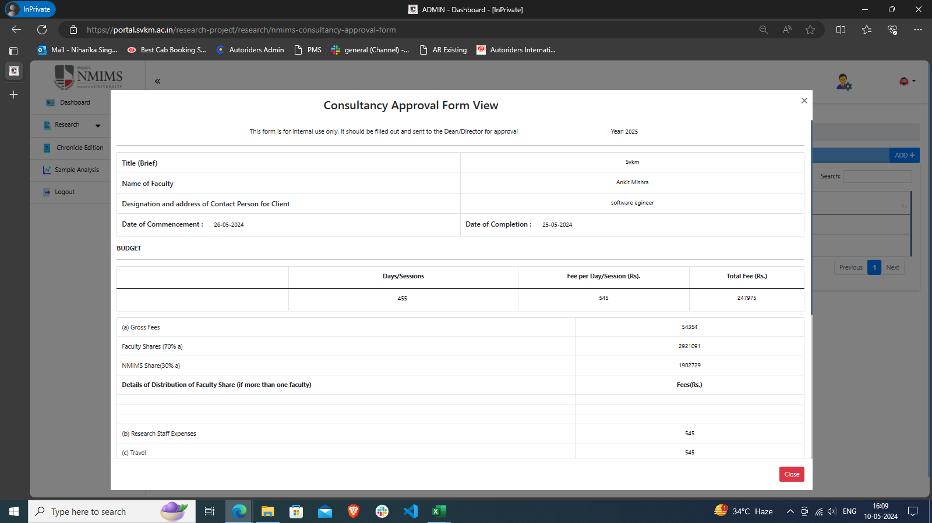 | 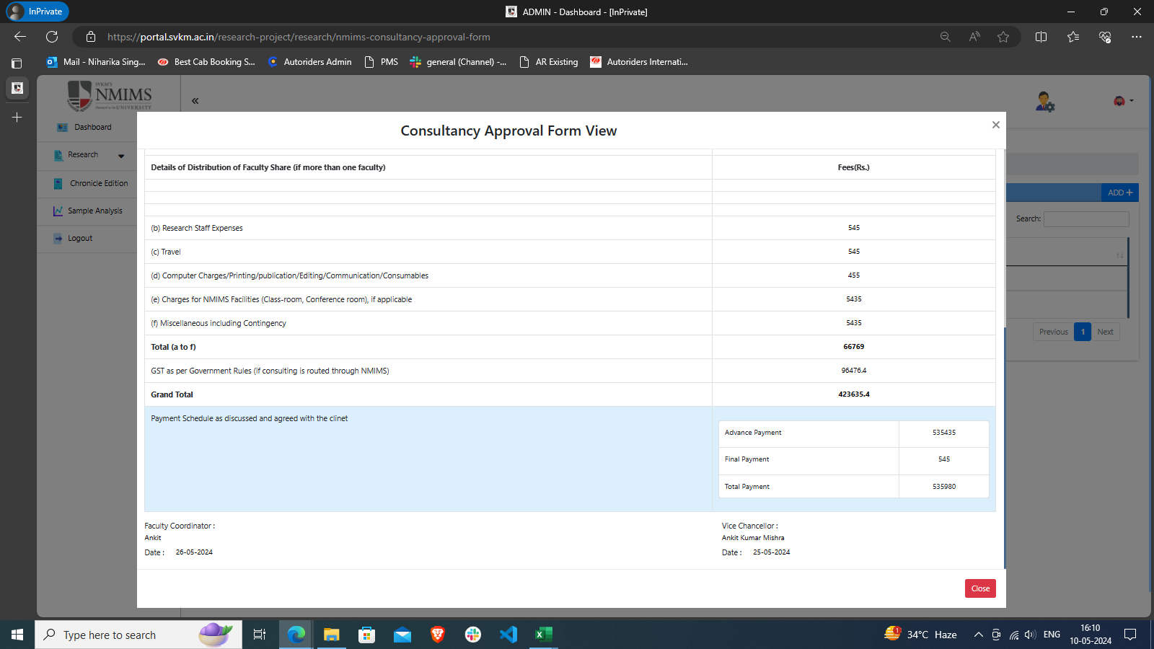
44 | To check Edit Icon in View List | CS_44 | Application should be open. https://devportal.svkm.ac.in/researches | 1.Open the URL http://localhost:3000/admin/dashboard 2.Click on Research option from Left side bar. 3. Click on NMIMS Consultancy Form. 4. Click on 'edit' Icon | Edit Icon should be visible in Action Column. | Edit Icon is visible in Action Column. | Pass | Niharika
45 | To check Edit functionality in View List | CS_45 | Application should be open. https://devportal.svkm.ac.in/researches | 1.Open the URL http://localhost:3000/admin/dashboard 2.Click on Research option from Left side bar. 3. Click on NMIMS Consultancy Form. 4. Click on 'edit' Icon | System should show all entered details and allow to edit entered details | System is showing all entered details and allowing to edit entered details but it reflecting in Red Highlighted comment even without making any changes | Fail | Niharika |  | 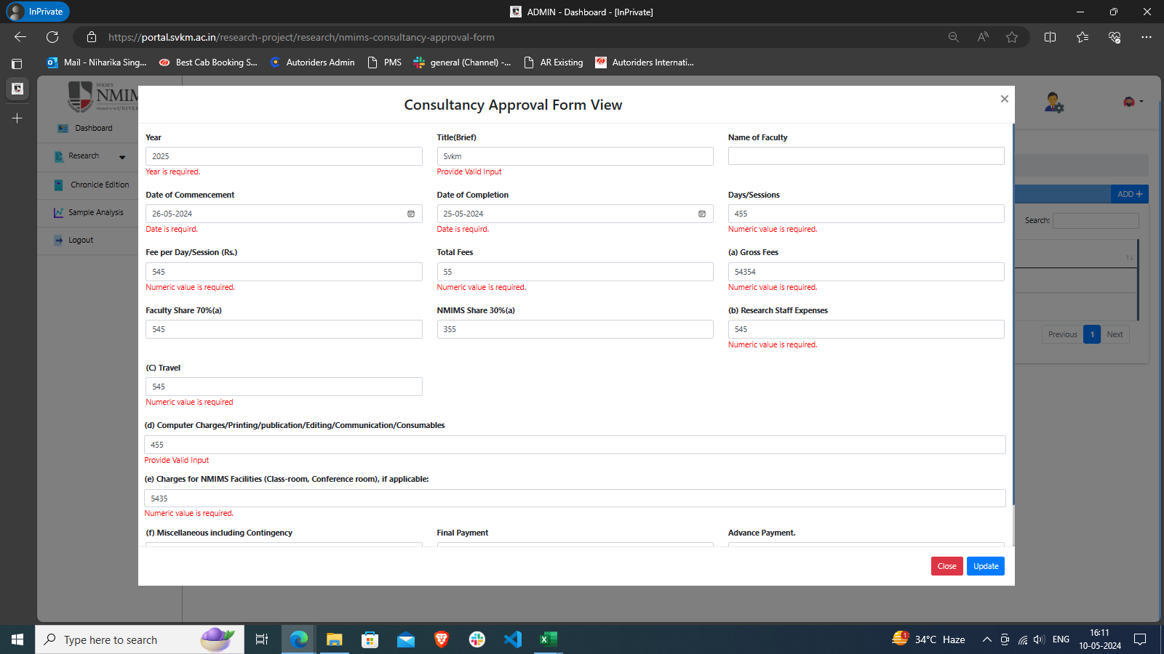
46 | To check Edit functionality in View List | CS_46 | Application should be open. https://devportal.svkm.ac.in/researches | 1.Open the URL http://localhost:3000/admin/dashboard 2.Click on Research option from Left side bar. 3. Click on NMIMS Consultancy Form. 4. Click on 'edit' Icon | System should show all entered details and allow to edit entered details | System not reflecting every filed entry to edit (Name of the selected Faculty is Blank), User have to entry every Blank field again to edit even if user only wanted to edit one entry otherwise form is not getting updated. | Fail
47 | To check Delete Icon in View List | CS_47 | Application should be open. https://devportal.svkm.ac.in/researches | 1.Open the URL http://localhost:3000/admin/dashboard 2.Click on Research option from Left side bar. 3. Click on NMIMS Consultancy Form. | Delete Icon should be visible in Action Column. | Delete Icon is visible in Action Column. | Pass | Niharika
48 | To check Delete Button functionality in View List | CS_48 | Application should be open. https://devportal.svkm.ac.in/researches | 1.Open the URL http://localhost:3000/admin/dashboard 2.Click on Research option from Left side bar. 3. Click on NMIMS Consultancy Form. 4. Click on 'Delete' Icon | Selected Entry should get deleted. | Selected Entry is getting deleted. | Pass | Niharika

